Disclaimer
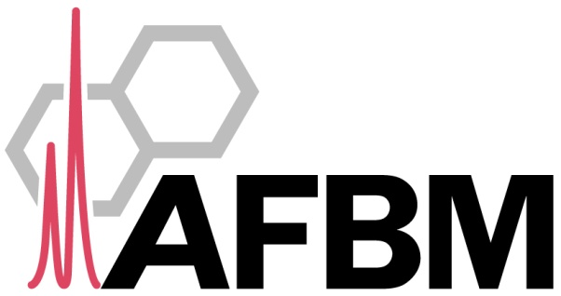

Results Disclaimer

The results contained in this report were generated in a research lab that is not an accredited or licensed clinical laboratory. The results are provided for research purposes only. The underlying experiments were not performed (and these results are not provided) for the purposes of obtaining information for diagnosis, prophylaxis, or treatment.

Acknowledgement Policy

The AFBM normally neither requires nor requests co-authorship on studies using data generated solely on a fee-for-service basis by our facilities. In cases where significant intellectual contributions have been made, co-authorship may be appropriate, following usually-accepted scientific practice. However, in order to satisfy reporting requirements of our funding partners, and to monitor our scientific impact, we require that customers acknowledge work performed by AFBM. This can be done in either or both of the following ways: 1. In the acknowledgments section of peer-reviewed publications, when AFBM personnel have been especially helpful (in study design, data interpretation, or technology selection), and where the author(s) feel that it is warranted, the following sentence should be incorporated: The authors wish to thank [name of employee(s) and/or director(s)] of the Analytical Facility for Bioactive Molecules, The Hospital for Sick Children, Toronto, Canada for assistance with [activities or services performed]. 2. In the body text of peer-reviewed publications (for example, in Methods and Materials or Results sections), when AFBM has provided a service, the following language should be used: [Service] was performed by the Analytical Facility for Bioactive Molecules, The Hospital for Sick Children, Toronto, Canada. We will also be pleased to receive notification and a copy when customers publish papers acknowledging AFBM.

