Sheet2
1 | group | RRM2 | actin | average of actin | ΔC(β-actin) | ΔΔCt | average | Normalized | % | LO2 | vector | RRM2
 | LO2-9 | 19.12 | 13.02 | 12.94 | 6.18 | 0.01379 |  |  |  | 1 | 0.02991372281 | 1.73 | 0.02991372281 | 1.73
 | LO2-7 | 18.85 | 13.20 |  | 5.91 | 0.01663 |  |  |  | 2 | 0.029951155257 | 1.67 | 0.029951155257 | 1.67
 | LO2-8 | 18.49 | 12.60 |  | 5.55 | 0.02134 | 0.0173 | 1.00 | 100.00 | 3 | 0.0073272355911 | 2.00 | 0.0073272355911 | 2.00
 | LO2+1 | 18.62 | 13.27 | 13.46 | 5.16 | 0.02803
 | LO2+2 | 18.17 | 13.03 |  | 4.71 | 0.03830 |  |  |  | average | 0.022397371219 | 1.80 | 0.022397371219
 | LO2+3 | 18.88 | 14.09 |  | 5.42 | 0.02341 | 0.0299 | 1.73 | 173.35 |  | 1 | 80.38
 |  |  |  |  |  |  |  |  |  |  |  |  | 1.335590794 | 77.399532927
 |  |  |  |  |  |  |  |  |  |  |  |  | 1.3372620815 | 74.458987039
 |  |  |  |  |  |  |  |  |  |  |  |  | 0.32714712452 | 89.270433048
2 | group | RRM2 | actin | average of actin | ΔC(β-actin) | ΔΔCt | average | Normalized | %
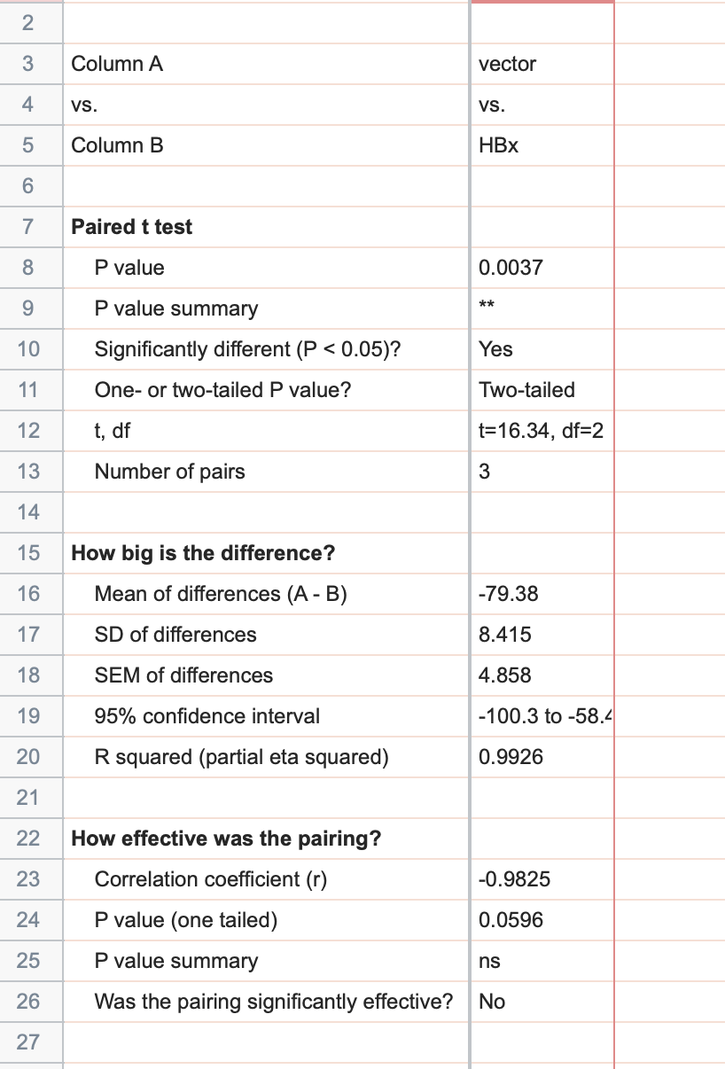
 | LO2-4 | 20.34 | 14.79 | 14.50 | 5.84 | 0.01742
 | LO2-5 | 19.97 | 13.88 |  | 5.47 | 0.02251
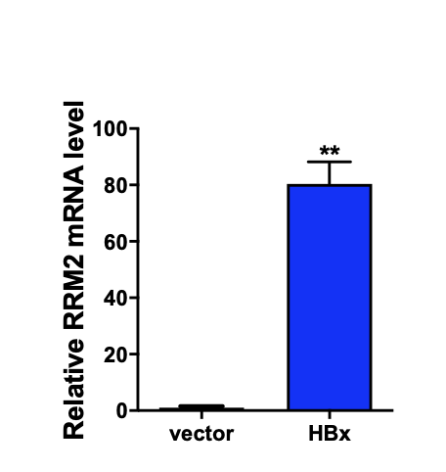
 | LO2-6 | 20.66 | 14.82 |  | 6.16 | 0.01395 | 0.0180 | 1.00 | 100.00
 | LO2+1 | 20.39 | 15.31 | 15.32 | 5.07 | 0.02984
 | LO2+2 | 20.29 | 15.27 |  | 4.97 | 0.03198
 | LO2+3 | 20.48 | 15.39 |  | 5.16 | 0.02803 | 0.0300 | 1.67 | 166.77

3 | group | RRM2 | actin | average of actin | ΔC(β-actin) | ΔΔCt | average | Normalized | %
 | LO2-5 | 23.09 | 14.17 | 14.32 | 8.77 | 0.00229
 | LO2-5 | 22.00 | 14.32 |  | 7.68 | 0.00487
 | LO2-5 | 22.34 | 14.46 |  | 8.02 | 0.00384 | 0.0037 | 1.00 | 100.00
 | LO2+1 | 23.10 | 15.52 | 15.50 | 7.60 | 0.00514
 | LO2+1 | 22.53 | 15.38 |  | 7.03 | 0.00763
 | LO2+1 | 22.26 | 15.59 |  | 6.76 | 0.00921 | 0.0073 | 2.00 | 199.94

