Sheet2
1 | group | HBx | actin | average of actin | ΔC(β-actin) | ΔΔCt | average | Normalized | %
 | LO2-5 | 40.00 | 12.56 | 12.62 | 27.38 | 0.00000
 | LO2-5 | 40.00 | 12.61 |  | 27.38 | 0.00000
 | LO2-5 | 40.00 | 12.68 |  | 27.38 | 0.00000 | 0.0000 | 1.00 | 100.00
 | LO2+2 | 21.57 | 13.53 | 13.39 | 8.18 | 0.00346
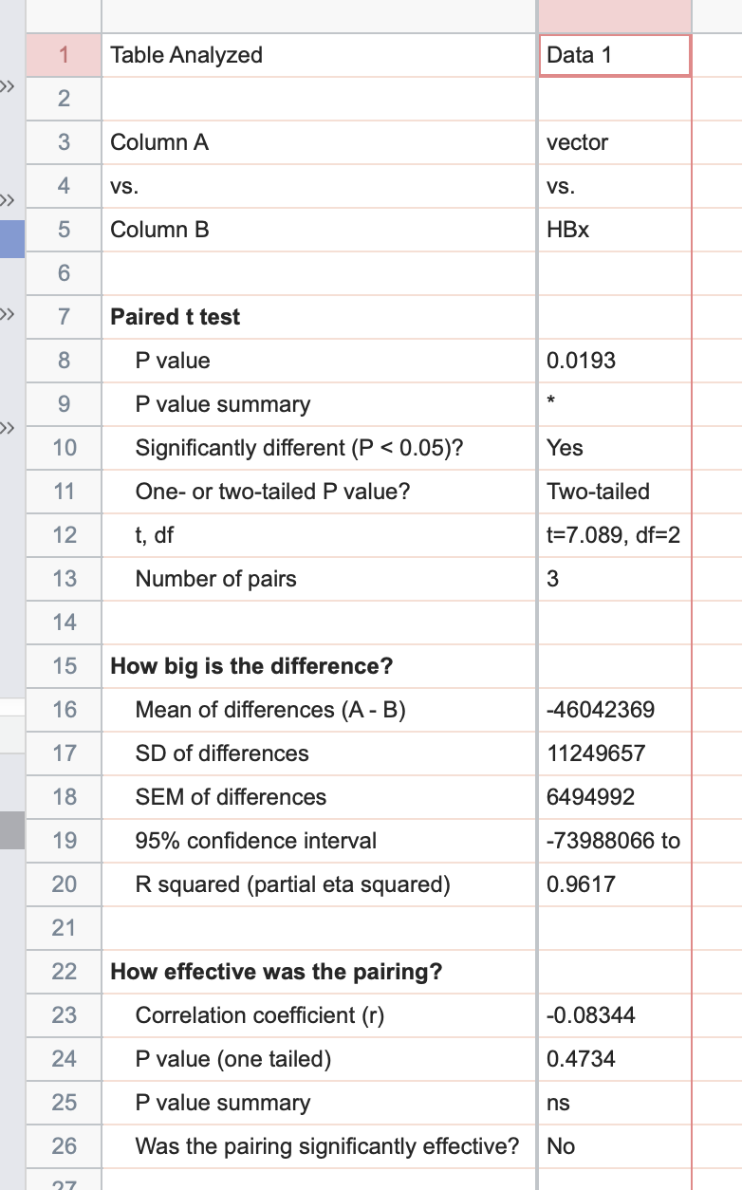
 | LO2+2 | 21.50 | 13.35 |  | 8.11 | 0.00363
 | LO2+2 | 21.58 | 13.30 |  | 8.19 | 0.00343 | 0.0035 | 613671.91 | 61367191.26

2 | group | HBx | actin | average of actin | ΔC(β-actin) | ΔΔCt | average | Normalized | %
 | huh-7 | 40.00 | 15.02 | 15.69 | 24.31 | 0.00000
 | huh-8 | 40.00 | 15.93 |  | 24.31 | 0.00000
 | huh-9 | 40.00 | 16.12 |  | 24.31 | 0.00000 | 0.0000 | 1.00 | 100.00
 | huh-10 | 19.94 | 14.91 | 15.14 | 4.80 | 0.03581 |  |  |  | LO2 | vector | HBx
 | huh-12 | 20.22 | 15.23 |  | 5.08 | 0.02950 |  |  |  | 1 | 0.0035 | 613671.91 | 0.0035 | 613671.91
 | huh-13 | 20.32 | 15.27 |  | 5.18 | 0.02752 | 0.0309 | 643591.53 | 64359152.69 | 2 | 0.0309436203 | 643591.53 | 0.0309436203 | 643591.53
 |  |  |  |  |  |  |  |  |  | 3 | 0.013210542491 | 937093.53 | 0.013210542491 | 937093.53

3 | group | HBx | actin | average of actin | ΔC(β-actin) | ΔΔCt | average | Normalized | % | average | 0.01588650465 | 731452.32 | 0.01588650465
 | huh-8 | 40.00 | 13.94 | 13.92 | 26.08 | 0.00000 |  |  |  |  | 1 | 46042369.87
 | huh-8 | 40.00 | 13.79 |  | 26.08 | 0.00000 |  |  |  |  |  |  | 0.22064961681 | 38628504.266
 | huh-8 | 40.00 | 14.03 |  | 26.08 | 0.00000 | 0.0000 | 1.00 | 100.00 |  |  |  | 1.9477928579 | 40511839.522
 | huh-12 | 18.27 | 12.68 | 11.84 | 6.43 | 0.01160 |  |  |  |  |  |  | 0.83155752525 | 58986765.831
 | huh-12 | 17.85 | 12.62 |  | 6.01 | 0.01552
 | huh-12 | 18.16 | 10.22 |  | 6.32 | 0.01252 | 0.0132 | 937093.53 | 93709352.96

