Huh-7
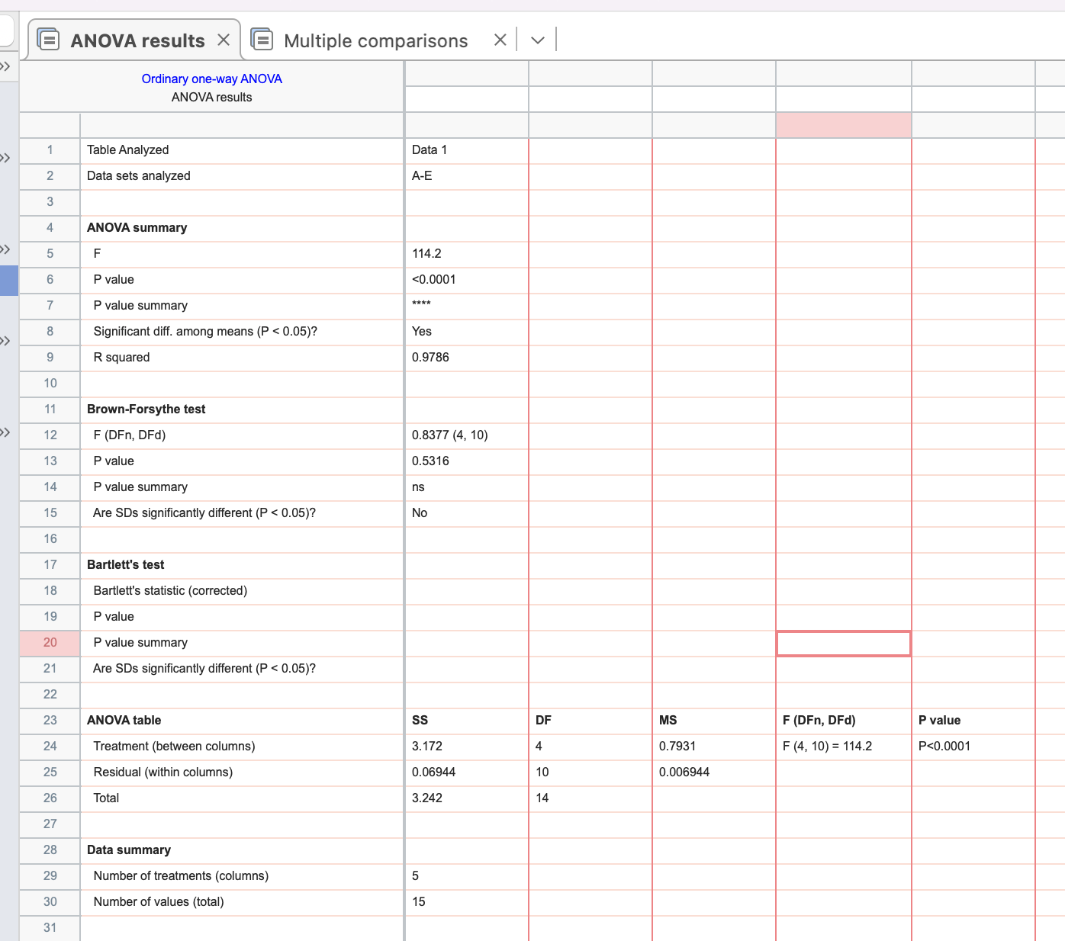
group | RRM2 | GAPDH | average of actin | ΔC(β-actin) | ΔΔCt | average | Normalized | %
CK | 17.78 | 16.78600 | 16.82 | 0.96 | 0.51406
CK | 17.71 | 16.90400 |  | 0.89 | 0.53961
CK | 17.67 | 16.77300 |  | 0.85 | 0.55555 | 0.5364 | 1.00 | 100.00
NC | 17.54 | 16.92800 | 16.9047 | 0.63 | 0.64513
NC | 17.47 | 16.95400 |  | 0.56 | 0.67674
NC | 17.55 | 16.83200 |  | 0.64 | 0.64023 | 0.6540 | 1.22 | 121.93
siRNA-1 | 23.15 | 16.94400 | 16.8593 | 6.29 | 0.01280
siRNA-1 | 23.29 | 16.85400 |  | 6.43 | 0.01163
siRNA-1 | 23.10 | 16.78000 |  | 6.24 | 0.01325 | 0.0126 | 0.02 | 2.34
siRNA-2 | 21.19 | 16.86900 | 16.8473 | 4.34 | 0.04939
siRNA-2 | 21.27 | 16.85800 |  | 4.42 | 0.04663
siRNA-2 | 21.21 | 16.81500 |  | 4.36 | 0.04864 | 0.0482 | 0.09 | 8.99
siRNA-3 | 19.74 | 16.86200 | 16.8480 | 2.90 | 0.13434
siRNA-3 | 19.69 | 16.84500 |  | 2.84 | 0.13995
siRNA-3 | 19.60 | 16.83700 |  | 2.75 | 0.14896 | 0.1411 | 0.26 | 26.30

group | RRM2 | GAPDH | average of actin | ΔC(β-actin) | ΔΔCt | average | Normalized | %
CK | 16.97 | 15.66600 | 15.54 | 1.43 | 0.37113
CK | 17.07 | 15.47600 |  | 1.53 | 0.34652
CK | 17.11 | 15.48100 |  | 1.57 | 0.33751 | 0.3517 | 1.00 | 100.00
NC | 17.05 | 15.47800 | 15.4870 | 1.57 | 0.33774
NC | 17.04 | 15.50900 |  | 1.56 | 0.33986
NC | 17.10 | 15.47400 |  | 1.62 | 0.32601 | 0.3345 | 0.95 | 95.11
siRNA-1 | 22.60 | 15.53800 | 15.5220 | 7.08 | 0.00740
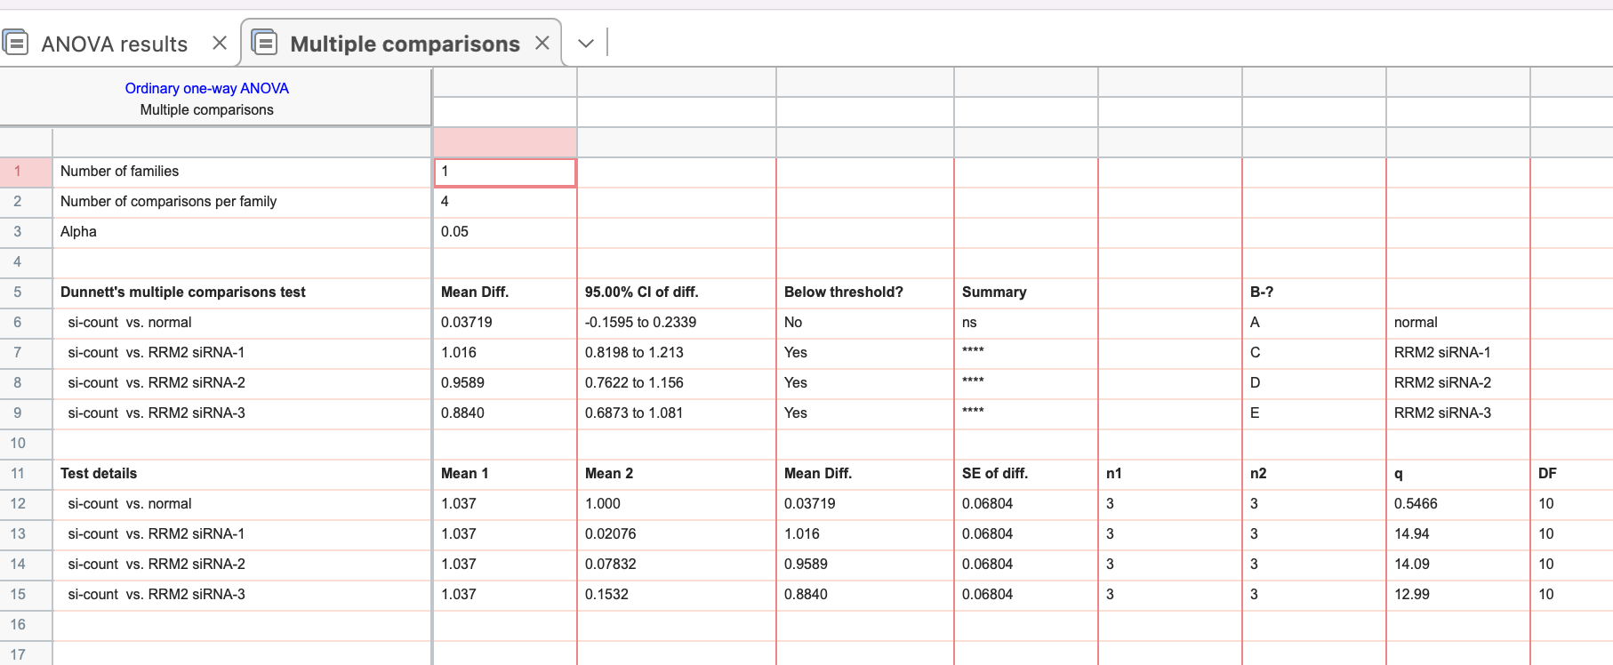
siRNA-1 | 22.70 | 15.53200 |  | 7.18 | 0.00690
siRNA-1 | 22.71 | 15.49600 |  | 7.19 | 0.00684 | 0.0070 | 0.02 | 2.00
siRNA-2 | 20.71 | 15.52700 | 15.5257 | 5.19 | 0.02746
siRNA-2 | 20.76 | 15.55500 |  | 5.23 | 0.02660
siRNA-2 | 20.77 | 15.49500 |  | 5.24 | 0.02638 | 0.0268 | 0.08 | 7.62
siRNA-3 | 20.07 | 15.51300 | 15.5047 | 4.56 | 0.04233
siRNA-3 | 20.51 | 15.48300 |  | 5.01 | 0.03113
siRNA-3 | 20.44 | 15.51800 |  | 4.93 | 0.03273 | 0.0354 | 0.10 | 10.06

group | RRM2 | GAPDH | average of actin | ΔC(β-actin) | ΔΔCt | average | Normalized | %
CK | 17.61 | 15.93100 | 15.88 | 1.73 | 0.30222
CK | 17.66 | 15.78800 |  | 1.78 | 0.29192
CK | 17.72 | 15.92900 |  | 1.84 | 0.27964 | 0.2913 | 1.00 | 100.00
NC | 17.58 | 15.76100 | 15.7280 | 1.85 | 0.27643
NC | 17.61 | 15.69300 |  | 1.88 | 0.27074
NC | 17.61 | 15.73000 |  | 1.88 | 0.27168 | 0.2730 | 0.94 | 93.71
siRNA-1 | 23.24 | 15.79800 | 15.8003 | 7.44 | 0.00574
siRNA-1 | 23.34 | 15.74200 |  | 7.54 | 0.00537
siRNA-1 | 23.37 | 15.86100 |  | 7.57 | 0.00528 | 0.0055 | 0.02 | 1.88
siRNA-2 | 21.52 | 15.75700 | 15.7970 | 5.73 | 0.01889
siRNA-2 | 21.41 | 15.79400 |  | 5.62 | 0.02039
siRNA-2 | 21.40 | 15.84000 |  | 5.60 | 0.02063 | 0.0200 | 0.07 | 6.86
siRNA-3 | 20.99 | 15.78000 | 15.7927 | 5.20 | 0.02727
siRNA-3 | 20.95 | 15.82200 |  | 5.16 | 0.02796
siRNA-3 | 20.94 | 15.77600 |  | 5.14 | 0.02831 | 0.0279 | 0.10 | 9.56

HepG2
group | RRM2 | GAPDH | average of actin | ΔC(β-actin) | ΔΔCt | average | Normalized | %
CK | 18.131 | 17.869 | 17.86 | 0.27 | 0.82760
CK | 18.034 | 17.962 |  | 0.18 | 0.88515
CK | 18.028 | 17.743 |  | 0.17 | 0.88884 | 0.8672 | 1.00 | 100.00
NC | 17.967 | 17.868 | 17.85 | 0.12 | 0.92274
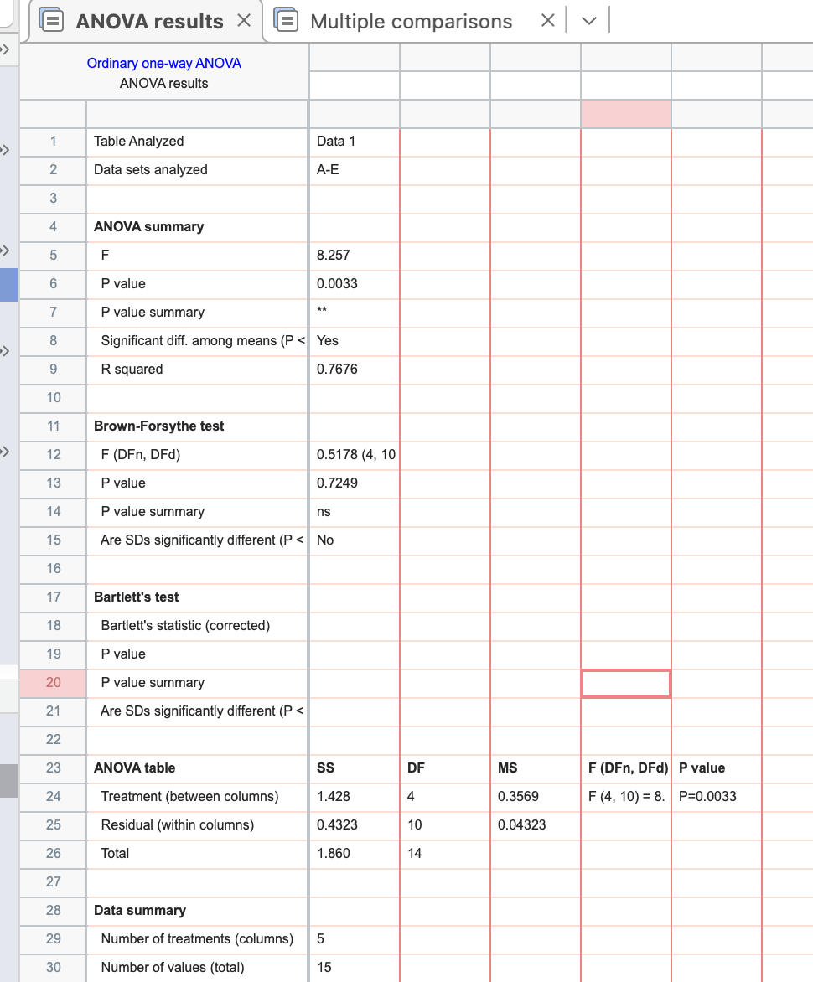
NC | 17.975 | 17.925 |  | 0.12 | 0.91764
NC | 18.001 | 17.76 |  | 0.15 | 0.90125 | 0.9139 | 1.05 | 105.38
siRNA-1 | 19.564 | 17.797 | 17.78 | 1.79 | 0.28937
siRNA-1 | 19.629 | 17.84 |  | 1.85 | 0.27662
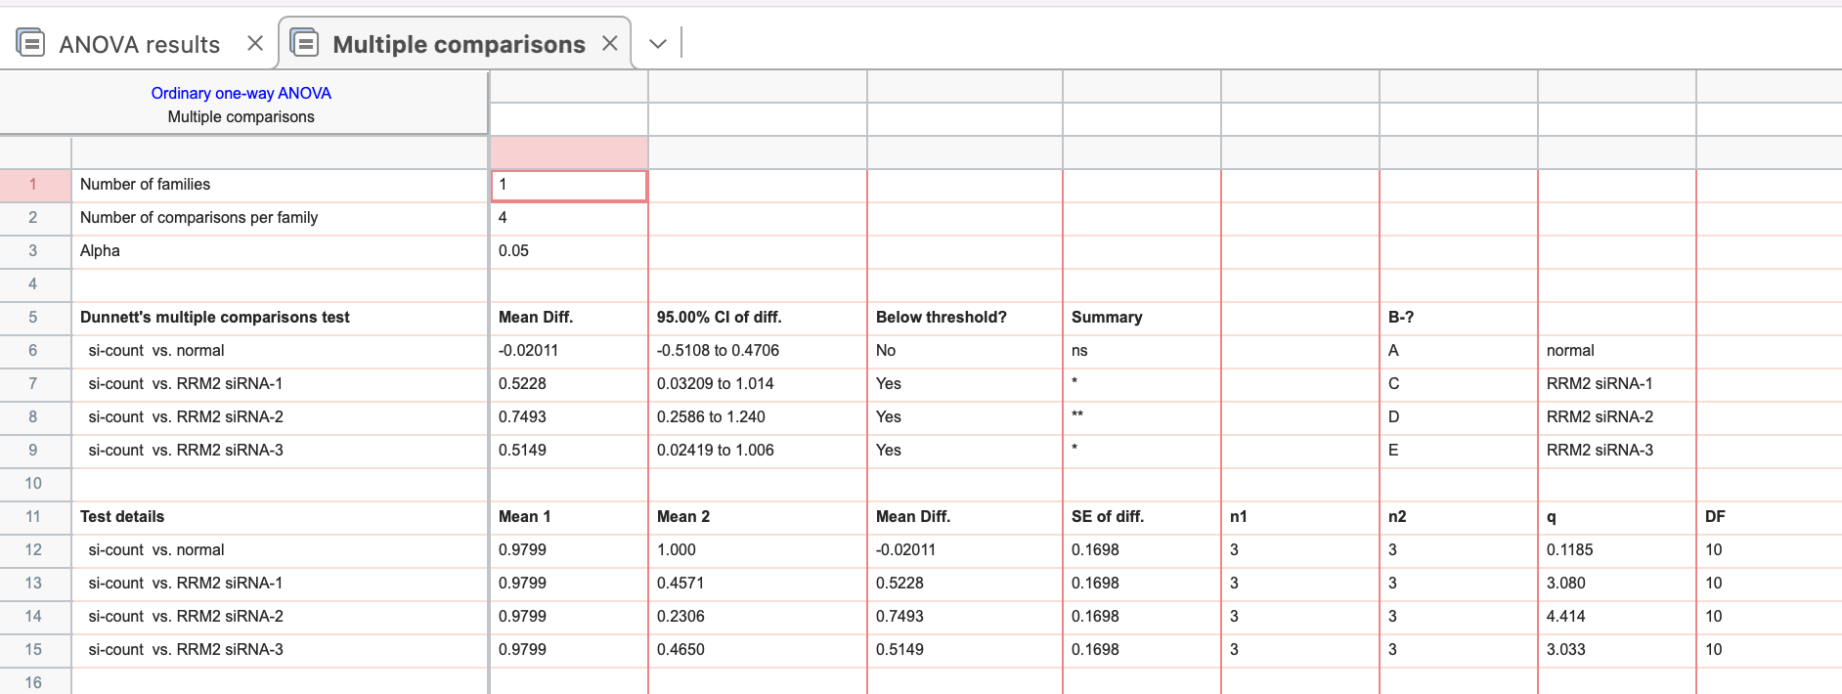
siRNA-1 | 19.568 | 17.688 |  | 1.79 | 0.28857 | 0.2849 | 0.33 | 32.85
siRNA-2 | 21.058 | 17.785 | 17.80 | 3.25 | 0.10475
siRNA-2 | 21.105 | 17.814 |  | 3.30 | 0.10139
siRNA-2 | 21.067 | 17.81 |  | 3.26 | 0.10410 | 0.1034 | 0.12 | 11.92
siRNA-3 | 19.551 | 17.821 | 17.81 | 1.74 | 0.29833
siRNA-3 | 19.718 | 17.81 |  | 1.91 | 0.26572
siRNA-3 | 19.731 | 17.787 |  | 1.93 | 0.26334 | 0.2758 | 0.32 | 31.80

group | RRM2 | GAPDH | average of actin | ΔC(β-actin) | ΔΔCt | average | Normalized | %
CK | 20.83 | 16.937 | 16.87 | 3.96 | 0.06408
CK | 20.885 | 16.82 |  | 4.02 | 0.06168
CK | 21.141 | 16.841 |  | 4.27 | 0.05165 | 0.0591 | 1.00 | 100.00
NC | 20.88 | 16.844 | 16.86 | 4.02 | 0.06155
NC | 21.037 | 16.935 |  | 4.18 | 0.05521
NC | 21.102 | 16.795 |  | 4.24 | 0.05278 | 0.0565 | 0.96 | 95.56
siRNA-1 | 22.683 | 16.846 | 16.84 | 5.84 | 0.01745
siRNA-1 | 22.778 | 16.851 |  | 5.94 | 0.01634
siRNA-1 | 22.757 | 16.83 |  | 5.91 | 0.01658 | 0.0168 | 0.28 | 28.39
siRNA-2 | 25.55 | 16.85 | 16.78 | 8.77 | 0.00230
siRNA-2 | 25.615 | 16.79 |  | 8.83 | 0.00220
siRNA-2 | 25.759 | 16.713 |  | 8.97 | 0.00199 | 0.0022 | 0.04 | 3.65
siRNA-3 | 22.779 | 16.854 | 16.84 | 5.94 | 0.01627
siRNA-3 | 22.621 | 16.78 |  | 5.78 | 0.01816
siRNA-3 | 22.561 | 16.879 |  | 5.72 | 0.01893 | 0.0178 | 0.30 | 30.08

group | RRM2 | GAPDH | average of actin | ΔC(β-actin) | ΔΔCt | average | Normalized | %
CK | 21.22 | 12.876 | 12.76 | 8.46 | 0.00283
CK | 21.298 | 12.945 |  | 8.54 | 0.00268
CK | 21.242 | 12.445 |  | 8.49 | 0.00279 | 0.0028 | 1.00 | 100.00
NC | 20.09 | 11.931 | 11.93 | 8.16 | 0.00349
NC | 20.99 | 11.913 |  | 9.06 | 0.00187
NC | 20.702 | 11.943 |  | 8.77 | 0.00229 | 0.0026 | 0.92 | 92.19
siRNA-1 | 21.242 | 11.902 | 12.41 | 8.83 | 0.00219
siRNA-1 | 21.397 | 12.405 |  | 8.99 | 0.00197
siRNA-1 | 21.407 | 12.915 |  | 9.00 | 0.00195 | 0.0020 | 0.74 | 73.63
siRNA-2 | 21.518 | 11.951 | 11.93 | 9.59 | 0.00130
siRNA-2 | 21.246 | 11.939 |  | 9.31 | 0.00157
siRNA-2 | 21.242 | 11.906 |  | 9.31 | 0.00158 | 0.0015 | 0.54 | 53.59
siRNA-3 | 21.413 | 12.975 | 12.44 | 8.98 | 0.00199
siRNA-3 | 21.3 | 12.261 |  | 8.86 | 0.00215
siRNA-3 | 21.325 | 12.074 |  | 8.89 | 0.00211 | 0.0021 | 0.75 | 75.22

