Root Length
cm | control | control | control | control | control | control | Average | SD | %CV | SEM | 0.1% chitin | 0.1% chitin | 0.1% chitin | 0.1% chitin | 0.1% chitin | 0.1% chitin | Average | SD | %CV | SEM | 0.2% chitin | 0.2% chitin | 0.2% chitin | 0.2% chitin | 0.2% chitin | 0.2% chitin | Average | SD | %CV | SEM | 0.5% chitin | 0.5% chitin | 0.5% chitin | 0.5% chitin | 0.5% chitin | 0.5% chitin | Average | SD | %CV | SEM | 0.1% chitosan | 0.1% chitosan | 0.1% chitosan | 0.1% chitosan | 0.1% chitosan | 0.1% chitosan | Average | SD | %CV | SEM | 0.2% chitosan | 0.2% chitosan | 0.2% chitosan | 0.2% chitosan | 0.2% chitosan | 0.2% chitosan | Average | SD | %CV | SEM | 0.5% chitosan | 0.5% chitosan | 0.5% chitosan | 0.5% chitosan | 0.5% chitosan | 0.5% chitosan | Average | SD | %CV | SEM
Day 0 | 31.76 | 40.60 | 19.73 | 70.04 | 35.30 | 23.53 | 36.83 | 17.97 | 48.79 | 7.34 | 35.19 | 6.26 | 14.04 | 40.17 | 46.90 | 27.97 | 28.42 | 15.64 | 55.04 | 6.39 | 49.93 | 37.16 | 5.43 | 16.67 | 10.35 | 9.69 | 21.54 | 17.88 | 83.03 | 7.30 | 17.70 | 29.14 | 23.58 | 19.03 | 17.31 | 11.26 | 19.67 | 6.09 | 30.98 | 2.49 | 18.24 | 7.88 | 36.26 | 27.38 | 47.47 | 35.02 | 28.71 | 14.10 | 49.11 | 5.76 | 22.68 | 18.35 | 23.44 | 17.72 | 27.04 | 28.76 | 23.00 | 4.46 | 19.39 | 1.82 | 21.21 | 31.34 | 13.19 | 19.31 | 33.25 | 51.09 | 28.23 | 13.51 | 47.84 | 5.51
Day 1 | 39.29 | 43.66 | 22.79 |  | 40.89 | 30.09 | 35.34 | 8.67 | 24.53 | 3.88 | 38.36 | 8.41 | 17.47 | 41.99 | 50.29 | 35.87 | 32.07 | 15.86 | 49.45 | 6.47 | 63.20 | 46.88 | 12.91 | 18.58 | 12.48 | 10.26 | 27.38 | 22.21 | 81.10 | 9.07 | 23.45 | 43.77 | 48.71 | 20.52 | 19.87 |  | 31.26 | 13.85 | 44.30 | 6.19 | 21.17 | 9.65 | 41.09 | 28.27 | 49.86 | 42.31 | 32.06 | 15.09 | 47.08 | 6.16 | 23.23 | 20.99 | 23.92 | 16.89 | 27.70 | 26.56 | 23.22 | 3.92 | 16.88 | 1.60 | 22.26 | 30.42 | 15.03 | 21.52 | 40.50 | 56.33 | 31.01 | 15.19 | 48.97 | 6.20
Day 2 | 44.08 | 51.22 | 29.04 | 118.21 | 46.98 | 38.67 | 54.70 | 32.04 | 58.58 | 13.08 | 55.85 | 12.61 | 18.49 | 46.17 | 60.50 | 45.63 | 39.87 | 19.77 | 49.58 | 8.07 | 93.99 | 50.35 | 22.09 | 19.27 | 18.75 | 11.39 | 35.98 | 31.45 | 87.42 | 12.84 | 34.94 | 60.71 | 61.17 | 21.99 | 26.77 | 12.18 | 36.29 | 20.46 | 56.38 | 8.35 | 24.47 | 13.96 | 40.92 | 28.11 | 49.35 | 45.31 | 33.69 | 13.70 | 40.66 | 5.59 | 21.60 | 22.03 | 26.24 | 18.70 | 27.59 | 26.89 | 23.84 | 3.57 | 14.99 | 1.46 | 23.30 | 31.54 | 15.26 | 21.70 | 40.55 | 56.73 | 31.51 | 15.14 | 48.04 | 6.18
Day 3 | 48.79 | 68.95 | 34.04 | 121.46 | 58.63 | 50.83 | 63.78 | 30.52 | 47.84 | 12.46 | 66.26 | 15.25 | 19.86 | 65.86 | 80.12 | 56.54 | 50.65 | 26.76 | 52.83 | 10.92 | 135.57 | 52.12 | 29.42 | 19.77 | 29.36 | 13.60 | 46.64 | 45.49 | 97.53 | 18.57 | 52.71 | 70.03 | 64.20 | 23.64 | 34.08 | 14.86 | 43.25 | 22.45 | 51.91 | 9.17 | 27.90 | 19.35 | 41.66 | 27.21 | 46.98 | 46.56 | 34.94 | 11.64 | 33.32 | 4.75 | 22.82 | 20.64 | 25.14 | 19.29 | 27.45 | 26.35 | 23.61 | 3.25 | 13.74 | 1.33 | 23.17 | 30.18 | 16.41 | 20.81 | 38.72 | 54.28 | 30.59 | 13.99 | 45.74 | 5.71
Day 4 | 58.46 | 95.41 | 38.68 | 122.37 | 73.69 | 65.69 | 75.72 | 29.46 | 38.90 | 12.03 | 82.08 | 19.00 | 22.34 | 78.60 | 95.90 | 65.32 | 60.54 | 32.40 | 53.52 | 13.23 | 164.49 | 67.11 | 36.56 | 28.87 | 37.89 | 16.61 | 58.59 | 54.49 | 93.01 | 22.25 | 67.07 | 74.75 | 61.11 | 24.10 | 38.54 |  | 53.11 | 21.10 | 39.73 | 9.44 | 30.76 | 20.24 | 43.60 | 25.14 | 46.99 | 47.76 | 35.75 | 11.92 | 33.34 | 4.87 | 22.86 | 20.41 | 25.78 | 18.35 | 29.93 | 26.72 | 24.01 | 4.29 | 17.86 | 1.75 | 24.10 | 29.84 | 18.11 | 21.43 | 41.05 | 52.40 | 31.15 | 13.16 | 42.23 | 5.37
Day 5 | 92.05 | 106.82 | 42.73 | 126.90 | 78.31 | 79.01 | 87.64 | 28.66 | 32.71 | 11.70 | 98.85 | 25.54 | 27.52 | 96.84 | 104.20 | 74.26 | 71.20 | 36.09 | 50.69 | 14.73 | 169.50 | 81.75 | 46.88 | 41.68 | 51.45 | 19.39 | 68.44 | 53.42 | 78.05 | 21.81 | 81.90 | 75.11 | 63.19 | 25.08 | 37.90 | 20.53 | 50.62 | 26.29 | 51.94 | 10.73 | 33.03 | 19.42 | 38.71 | 25.00 | 48.87 | 52.54 | 36.26 | 13.04 | 35.97 | 5.32 | 23.55 | 20.66 | 25.09 | 17.29 | 28.61 | 27.16 | 23.73 | 4.21 | 17.72 | 1.72 | 24.63 | 29.99 | 17.55 | 21.36 |  | 54.56 | 29.62 | 14.67 | 49.53 | 6.56
Day 6 | 107.94 | 116.82 | 45.28 | 131.32 | 77.51 | 100.69 | 96.59 | 30.85 | 31.93 | 12.59 | 103.80 | 39.31 | 36.33 | 102.97 | 111.95 | 84.06 | 79.74 | 33.74 | 42.32 | 13.78 | 168.77 | 86.70 | 59.93 | 52.76 |  | 23.48 | 78.33 | 55.34 | 70.66 | 24.75 | 89.90 | 79.33 | 61.11 | 26.88 | 37.57 | 21.35 | 52.69 | 28.44 | 53.97 | 11.61 | 32.00 | 21.51 | 41.51 | 25.41 | 49.06 | 55.67 | 37.53 | 13.50 | 35.98 | 5.51 | 22.40 | 20.52 | 26.56 | 17.46 | 28.02 |  | 22.99 | 4.33 | 18.84 | 1.94 | 23.67 | 27.86 | 19.31 | 20.66 | 34.75 | 56.80 | 30.51 | 14.04 | 46.02 | 5.73
Day 7 | 113.05 | 121.90 | 49.07 | 131.80 | 79.51 | 100.46 | 99.30 | 30.57 | 30.78 | 12.48 | 104.23 | 47.38 | 43.35 | 102.30 | 112.67 | 97.60 | 84.59 | 30.80 | 36.41 | 12.57 | 169.01 | 95.78 | 71.20 | 66.81 | 86.23 | 28.82 | 86.31 | 46.57 | 53.95 | 19.01 | 94.44 | 79.87 | 60.86 | 33.08 | 38.92 | 20.96 | 54.69 | 28.66 | 52.40 | 11.70 | 32.90 | 28.53 | 40.29 | 26.99 | 47.33 | 57.08 | 38.85 | 11.74 | 30.21 | 4.79 | 24.27 | 20.95 | 26.38 | 20.10 | 26.89 | 28.54 | 24.52 | 3.39 | 13.83 | 1.38 | 25.27 | 32.53 | 19.87 | 20.84 | 38.54 | 56.69 | 32.29 | 13.92 | 43.11 | 5.68
Day 8 | 111.96 | 121.52 | 55.82 | 127.14 | 82.32 | 99.52 | 99.71 | 26.86 | 26.94 | 10.97 | 105.73 | 54.17 | 50.79 | 106.57 | 120.19 | 121.16 | 93.10 | 32.15 | 34.53 | 13.12 | 170.21 | 97.72 | 82.10 | 70.24 | 90.38 | 30.17 | 90.14 | 45.88 | 50.91 | 18.73 | 90.11 | 81.57 | 60.50 | 45.35 | 40.04 | 21.72 | 56.55 | 26.00 | 45.97 | 10.61 | 31.65 | 42.79 | 41.27 | 25.93 | 47.20 | 57.15 | 41.00 | 11.11 | 27.10 | 4.54 | 23.48 | 21.20 | 26.09 | 21.04 |  | 28.40 | 24.04 | 3.19 | 13.27 | 1.30 | 23.12 | 31.38 | 21.37 |  |  | 55.77 | 32.91 | 15.85 | 48.17 | 7.93

 | Day 0 |  |  |  |  |  |  |  | Day 3 |  |  |  |  |  | Day 6
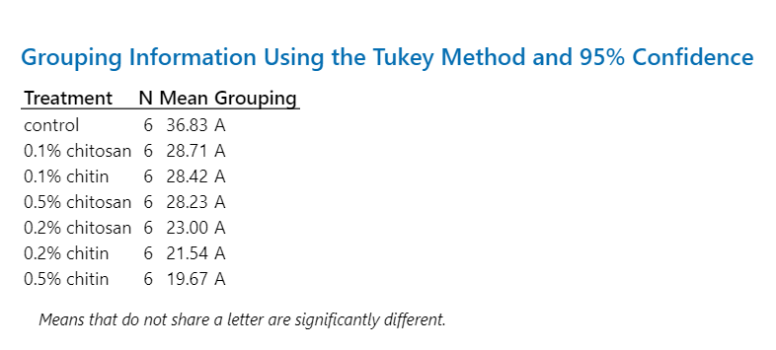
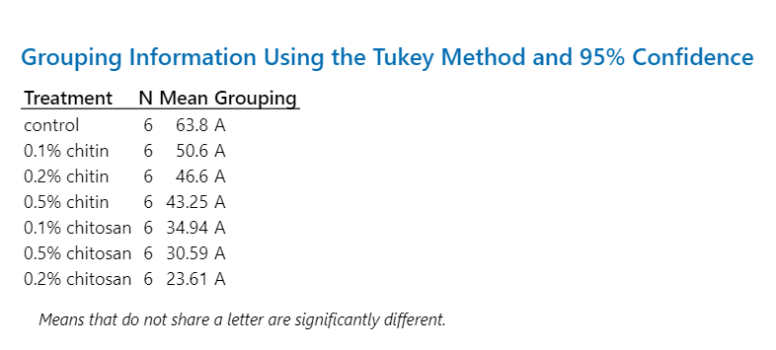
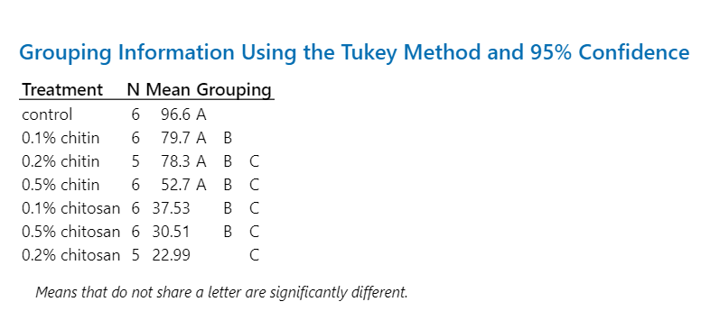

 | Day 1 |  |  |  |  |  |  |  | Day 4 |  |  |  |  |  | Day 7
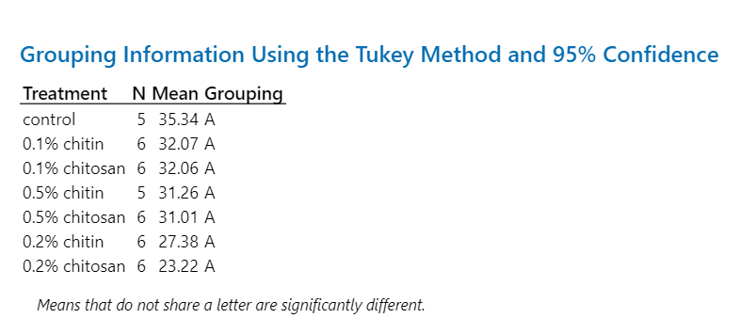

 | Day 2 |  |  |  |  |  |  |  | Day 5 |  |  |  |  |  | Day 8
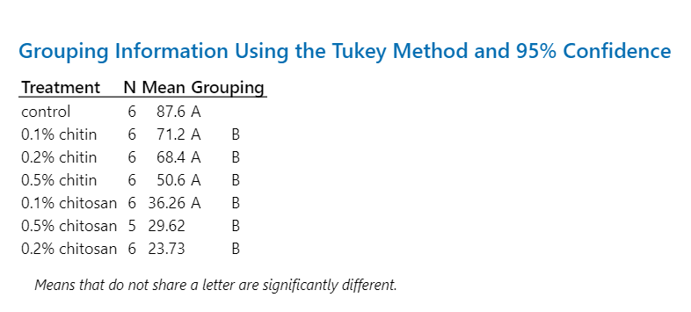
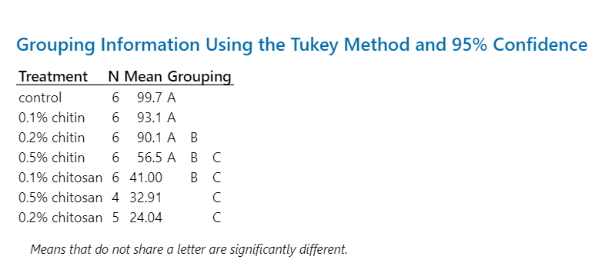

Root Surface Area
mm2 | control | control | control | control | control | control | Average | SD | %CV | SEM | 0.1% chitin | 0.1% chitin | 0.1% chitin | 0.1% chitin | 0.1% chitin | 0.1% chitin | Average | SD | %CV | SEM | 0.2% chitin | 0.2% chitin | 0.2% chitin | 0.2% chitin | 0.2% chitin | 0.2% chitin | Average | SD | %CV | SEM | 0.5% chitin | 0.5% chitin | 0.5% chitin | 0.5% chitin | 0.5% chitin | 0.5% chitin | Average | SD | %CV | SEM | 0.1% chitosan | 0.1% chitosan | 0.1% chitosan | 0.1% chitosan | 0.1% chitosan | 0.1% chitosan | Average | SD | %CV | SEM | 0.2% chitosan | 0.2% chitosan | 0.2% chitosan | 0.2% chitosan | 0.2% chitosan | 0.2% chitosan | Average | SD | %CV | SEM | 0.5% chitosan | 0.5% chitosan | 0.5% chitosan | 0.5% chitosan | 0.5% chitosan | 0.5% chitosan | Average | SD | %CV | SEM
Day 0 | 5.08 | 6.97 | 3.51 | 11.46 | 5.87 | 4.57 | 6.24 | 2.81 | 44.99 | 1.15 | 7.28 | 1.53 | 4.02 | 7.72 | 9.33 | 4.88 | 5.79 | 2.85 | 49.19 | 1.16 | 7.78 | 1.95 | 3.63 | 2.91 | 2.04 | 2.43 | 3.46 | 2.21 | 63.93 | 0.90 | 3.39 | 4.49 | 3.84 | 4.12 | 3.77 | 2.33 | 3.66 | 0.75 | 20.43 | 0.30 | 3.25 | 2.12 | 7.12 | 4.91 | 7.65 | 6.10 | 5.19 | 2.18 | 42.07 | 0.89 | 4.28 | 3.45 | 5.37 | 3.09 | 5.87 | 4.70 | 4.46 | 1.08 | 24.16 | 0.44 | 3.63 | 6.33 | 2.84 | 4.11 | 6.92 | 8.07 | 5.31 | 2.08 | 39.14 | 0.85
Day 1 | 5.99 | 7.77 | 4.33 |  | 6.74 | 5.63 | 6.09 | 1.28 | 21.03 | 0.57 | 7.83 | 1.88 | 4.43 | 8.89 | 9.34 | 7.88 | 6.71 | 2.93 | 43.67 | 1.20 | 9.35 | 2.11 | 4.28 | 3.35 | 2.82 | 2.70 | 4.10 | 2.67 | 65.13 | 1.09 | 4.57 | 7.81 | 8.34 | 4.71 | 4.22 |  | 5.93 | 1.98 | 33.33 | 0.88 | 4.97 | 3.06 | 8.27 | 6.43 | 8.54 | 8.00 | 6.55 | 2.18 | 33.29 | 0.89 | 5.24 | 4.95 | 5.91 | 3.67 | 6.08 | 5.72 | 5.26 | 0.89 | 16.87 | 0.36 | 4.77 | 7.99 | 3.74 | 4.31 | 8.07 | 8.49 | 6.23 | 2.17 | 34.89 | 0.89
Day 2 | 6.63 | 9.45 | 5.24 | 22.07 | 7.90 | 7.27 | 9.76 | 6.19 | 63.41 | 2.53 | 10.25 | 2.40 | 4.79 | 9.63 | 11.54 | 9.85 | 8.08 | 3.61 | 44.73 | 1.47 | 13.91 | 2.73 | 4.55 | 4.26 | 4.13 | 2.86 | 5.41 | 4.23 | 78.30 | 1.73 | 6.27 | 8.93 | 10.22 | 4.98 | 5.53 | 2.66 | 6.43 | 2.75 | 42.69 | 1.12 | 5.49 | 3.20 | 9.08 | 6.51 | 8.33 | 8.93 | 6.92 | 2.31 | 33.42 | 0.94 | 5.58 | 5.03 | 6.22 | 4.19 | 6.49 | 5.88 | 5.56 | 0.84 | 15.19 | 0.34 | 4.89 | 8.67 | 4.08 | 4.50 | 7.94 | 8.90 | 6.50 | 2.24 | 34.44 | 0.91
Day 3 | 7.86 | 12.81 | 6.47 | 21.17 | 11.07 | 9.48 | 11.48 | 5.25 | 45.78 | 2.15 | 12.23 | 2.70 | 5.16 | 12.69 | 15.24 | 12.26 | 10.04 | 4.93 | 49.05 | 2.01 | 21.11 | 3.63 | 4.72 | 5.18 | 6.39 | 3.35 | 7.40 | 6.81 | 92.03 | 2.78 | 10.33 | 10.41 | 11.58 | 5.57 | 6.74 | 3.09 | 7.95 | 3.34 | 41.95 | 1.36 | 6.07 | 4.29 | 9.59 | 6.49 | 8.13 | 9.16 | 7.29 | 2.03 | 27.85 | 0.83 | 5.77 | 4.91 | 6.82 | 4.59 | 6.40 | 6.08 | 5.76 | 0.86 | 15.00 | 0.35 | 5.02 | 8.52 | 4.36 | 4.55 | 7.64 | 9.37 | 6.58 | 2.20 | 33.47 | 0.90
Day 4 | 10.35 | 17.60 | 7.41 | 22.97 | 14.93 | 12.44 | 14.28 | 5.53 | 38.73 | 2.26 | 15.57 | 3.27 | 5.65 | 16.62 | 18.96 | 13.78 | 12.31 | 6.35 | 51.58 | 2.59 | 25.53 | 4.93 | 7.10 | 5.45 | 7.76 | 3.93 | 9.12 | 8.16 | 89.51 | 3.33 | 12.86 | 10.66 | 11.93 | 5.89 | 7.72 |  | 9.81 | 2.93 | 29.82 | 1.31 | 6.73 | 4.81 | 8.17 | 6.43 | 9.15 | 9.71 | 7.50 | 1.85 | 24.63 | 0.75 | 6.03 | 4.53 | 7.12 | 4.97 | 7.04 | 6.03 | 5.95 | 1.05 | 17.70 | 0.43 | 4.90 | 8.73 | 4.61 | 5.09 | 8.91 | 9.48 | 6.95 | 2.30 | 33.14 | 0.94
Day 5 | 17.42 | 20.50 | 8.40 | 22.41 | 15.61 | 14.83 | 16.53 | 4.92 | 29.76 | 2.01 | 18.92 | 4.16 | 7.50 | 18.81 | 21.35 | 16.42 | 14.53 | 6.99 | 48.14 | 2.86 | 27.77 | 7.27 | 10.50 | 5.57 | 10.86 | 4.37 | 11.06 | 8.59 | 77.67 | 3.51 | 16.71 | 11.75 | 12.31 | 6.19 | 7.72 | 4.23 | 9.82 | 4.61 | 46.95 | 1.88 | 7.23 | 4.65 | 7.77 | 6.68 | 9.83 | 10.95 | 7.85 | 2.26 | 28.80 | 0.92 | 6.36 | 5.19 | 7.19 | 4.77 | 6.84 | 5.77 | 6.02 | 0.95 | 15.70 | 0.39 | 5.43 | 9.02 | 4.78 | 4.90 |  | 9.71 | 6.77 | 2.40 | 35.40 | 1.07
Day 6 | 21.29 | 23.28 | 9.27 | 23.46 | 16.39 | 19.13 | 18.81 | 5.38 | 28.61 | 2.20 | 20.52 | 5.78 | 9.15 | 19.80 | 23.73 | 18.97 | 16.32 | 7.13 | 43.68 | 2.91 | 28.44 | 8.70 | 13.45 | 6.08 |  | 5.13 | 12.36 | 9.55 | 77.25 | 4.27 | 19.28 | 12.51 | 11.87 | 7.16 | 8.00 | 4.42 | 10.54 | 5.24 | 49.73 | 2.14 | 7.13 | 4.90 | 8.09 | 7.25 | 9.55 | 11.64 | 8.09 | 2.30 | 28.44 | 0.94 | 6.10 | 4.99 | 7.49 | 4.94 | 6.99 |  | 6.10 | 1.15 | 18.86 | 0.47 | 4.76 | 9.67 | 5.24 | 5.25 | 9.07 | 10.11 | 7.35 | 2.51 | 34.13 | 1.02
Day 7 | 23.26 | 23.52 | 10.17 | 23.59 | 17.23 | 19.38 | 19.53 | 5.28 | 27.04 | 2.16 | 19.11 | 6.75 | 11.36 | 21.38 | 24.68 | 22.46 | 17.62 | 7.03 | 39.88 | 2.87 | 29.07 | 8.07 | 15.20 | 5.77 | 19.01 | 5.77 | 13.82 | 9.21 | 66.66 | 3.76 | 20.50 | 12.18 | 11.99 | 8.92 | 8.47 | 4.53 | 11.10 | 5.39 | 48.56 | 2.20 | 7.14 | 6.20 | 7.82 | 7.88 | 9.39 | 11.87 | 8.38 | 2.00 | 23.89 | 0.82 | 6.26 | 5.15 | 7.52 | 5.92 | 6.91 | 5.39 | 6.19 | 0.91 | 14.64 | 0.37 | 5.27 | 9.22 | 5.51 | 4.55 | 10.64 | 10.49 | 7.62 | 2.81 | 36.83 | 1.15
Day 8 | 23.89 | 23.81 | 11.93 | 23.64 | 18.74 | 20.06 | 20.34 | 4.67 | 22.94 | 1.90 | 22.11 | 7.50 | 12.50 | 21.39 | 27.11 | 26.81 | 19.57 | 7.93 | 40.55 | 3.24 | 29.76 | 9.32 | 16.10 | 5.88 | 18.98 | 5.93 | 14.33 | 9.27 | 64.73 | 3.79 | 20.78 | 12.48 | 12.73 | 10.02 | 8.49 | 4.65 | 11.53 | 5.42 | 47.00 | 2.21 | 7.12 | 8.53 | 8.06 | 7.79 | 9.21 | 12.23 | 8.82 | 1.81 | 20.54 | 0.74 | 6.30 | 4.66 | 7.45 | 6.38 |  | 5.27 | 6.01 | 1.08 | 17.98 | 0.44 | 5.05 | 9.38 | 6.13 |  |  | 10.26 | 7.70 | 2.51 | 32.54 | 1.25

 | Day 0 |  |  |  |  |  |  |  | Day 3 |  |  |  |  |  | Day 6
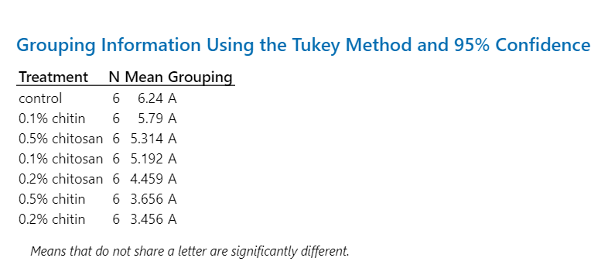
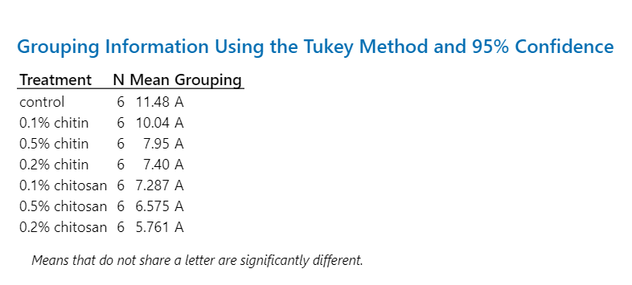
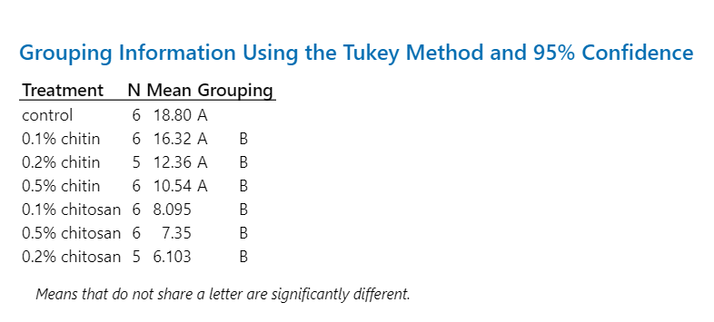

 | Day 1 |  |  |  |  |  |  |  | Day 4 |  |  |  |  |  | Day 7
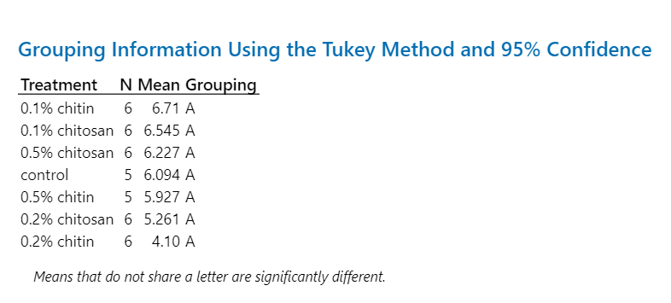

 | Day 2 |  |  |  |  |  |  |  | Day 5 |  |  |  |  |  | Day 8
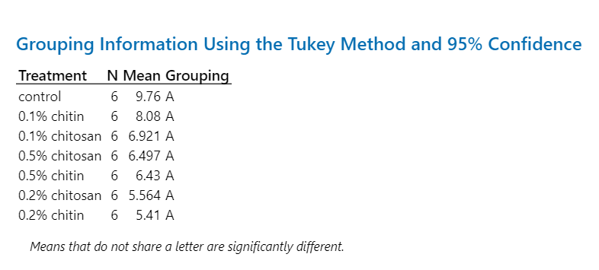
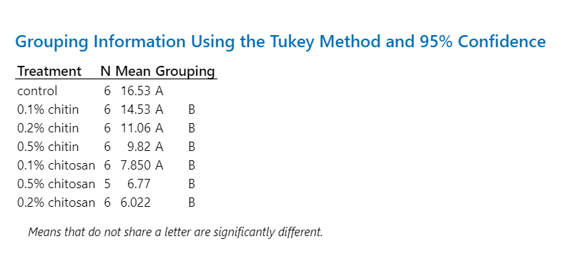

Fresh Weight
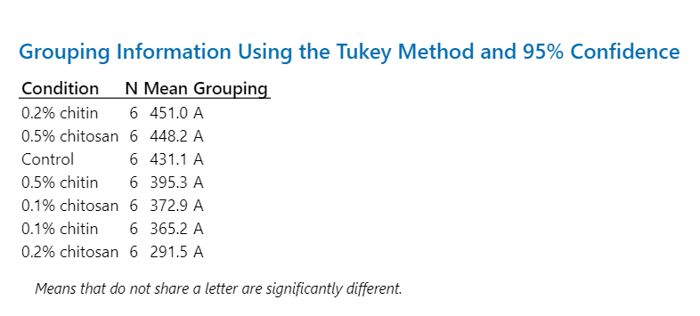
mg | Shoot |  |  |  |  |  |  | Statistical analysis
 | control | 0.1% chitin | 0.2% chitin | 0.5% chitin | 0.1% chitosan | 0.2% chitosan | 0.5% chitosan | Shoot
n1 | 374.3 | 360.4 | 581.1 | 520.5 | 467.4 | 311.2 | 611.8
n2 | 444.6 | 252.0 | 488.9 | 476.2 | 251.3 | 278.9 | 343.8
n3 | 351.9 | 264.7 | 401.9 | 516.9 | 288.3 | 323.5 | 439.1
n4 | 701.5 | 641.3 | 535.8 | 196.4 | 559.9 | 279.3 | 461.2
n5 | 356.0 | 420.3 | 125.4 | 388.0 | 334.9 | 399.6 | 596.0
n6 | 358.2 | 252.6 | 572.7 | 273.6 | 335.7 | 156.6 | 237.5
Average | 431.08 | 365.22 | 450.97 | 395.27 | 372.92 | 291.52 | 448.23
SD | 136.93 | 151.58 | 172.51 | 135.23 | 117.19 | 79.50 | 144.33
%CV | 31.76 | 41.50 | 38.25 | 34.21 | 31.43 | 27.27 | 32.20
SEM | 55.90 | 61.88 | 70.43 | 55.21 | 47.84 | 32.46 | 58.92

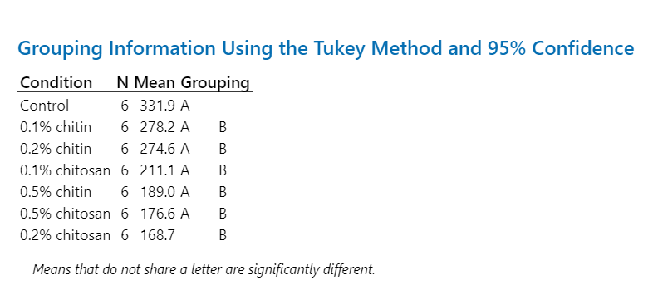
mg | Root |  |  |  |  |  |  | Root
 | control | 0.1% chitin | 0.2% chitin | 0.5% chitin | 0.1% chitosan | 0.2% chitosan | 0.5% chitosan
n1 | 395.0 | 420.2 | 434.3 | 264.7 | 196.9 | 150.0 | 213.6
n2 | 415.8 | 128.9 | 243.9 | 158.0 | 213.5 | 149.0 | 127.4
n3 | 228.4 | 201.0 | 228.2 | 229.3 | 139.1 | 211.4 | 175.6
n4 | 469.1 | 303.3 | 203.3 | 225.0 | 267.7 | 151.8 | 212.1
n5 | 261.1 | 437.6 | 119.8 | 158.2 | 244.0 | 220.8 | 222.1
n6 | 222.2 | 178.4 | 418.2 | 98.6 | 205.2 | 129.1 | 108.8
Average | 331.93 | 278.23 | 274.62 | 188.97 | 211.07 | 168.68 | 176.60
SD | 107.33 | 129.93 | 125.11 | 61.21 | 44.07 | 37.76 | 48.41
%CV | 32.34 | 46.70 | 45.56 | 32.39 | 20.88 | 22.39 | 27.41
SEM | 43.82 | 53.04 | 51.08 | 24.99 | 17.99 | 15.42 | 19.76

Shoot Phytohormones
ng/g FW | Zeatin |  |  |  |  |  |  |  | IAA |  |  |  |  |  |  |  | CA |  |  |  |  |  |  |  | Me-IAA |  |  |  |  |  |  |  | SA |  |  |  |  |  |  |  | ABA |  |  |  |  |  |  |  | JA |  |  |  |  |  |  | JA-Ile |  |  |  |  |  |  | OPDA
 | control | 0.1% chitin | 0.2% chitin | 0.5% chitin | 0.1% chitosan | 0.2% chitosan | 0.5% chitosan |  | control | 0.1% chitin | 0.2% chitin | 0.5% chitin | 0.1% chitosan | 0.2% chitosan | 0.5% chitosan |  | control | 0.1% chitin | 0.2% chitin | 0.5% chitin | 0.1% chitosan | 0.2% chitosan | 0.5% chitosan |  | control | 0.1% chitin | 0.2% chitin | 0.5% chitin | 0.1% chitosan | 0.2% chitosan | 0.5% chitosan |  | control | 0.1% chitin | 0.2% chitin | 0.5% chitin | 0.1% chitosan | 0.2% chitosan | 0.5% chitosan |  | control | 0.1% chitin | 0.2% chitin | 0.5% chitin | 0.1% chitosan | 0.2% chitosan | 0.5% chitosan |  | control | 0.1% chitin | 0.2% chitin | 0.5% chitin | 0.1% chitosan | 0.2% chitosan | 0.5% chitosan | control | 0.1% chitin | 0.2% chitin | 0.5% chitin | 0.1% chitosan | 0.2% chitosan | 0.5% chitosan | control | 0.1% chitin | 0.2% chitin | 0.5% chitin | 0.1% chitosan | 0.2% chitosan | 0.5% chitosan
 | 107.02 | 74.87 | 72.00 | 62.22 | 87.07 | 108.27 | 95.78 |  | 420.85 | 246.59 | 532.91 | 288.34 | 281.94 | 333.69 | 387.31 |  | 22373.43 | 3711.25 | 8091.67 | 3391.75 | 1768.98 | 3180.08 | 6167.52 |  | 418.13 | 90.29 | 277.59 | 123.58 | 56.85 | 62.80 | 144.64 |  | 10240.37 | 3978.58 | 14930.01 | 12279.40 | 2632.73 | 4238.19 | 10479.92 |  | 1039.62 | 288.13 | 509.33 | 480.08 | 1012.21 | 1576.40 | 1246.32 |  | 361.49 | 61.31 | 106.13 | 94.75 | 160.99 | 112.58 | 142.13 | 5558.22 | 505.04 | 1456.12 | 610.63 | 905.72 | 5254.76 | 2494.60 | 19638.25 | 7910.04 | 24476.18 | 7690.41 | 3468.86 | 4713.28 | 15083.91
 | 139.16 | 86.90 | 58.08 | 98.71 | 90.73 | 81.59 | 66.60 |  | 742.46 | 260.65 | 329.12 | 684.51 | 276.26 | 305.54 | 237.50 |  | 22116.86 | 1350.57 | 4865.41 | 5249.44 | 1500.51 | 4410.33 | 3426.73 |  | 406.39 | 70.80 | 202.18 | 513.16 | 56.43 | 133.55 | 216.84 |  | 21619.18 | 1044.78 | 6905.17 | 14467.43 | 1917.43 | 7270.12 | 3261.25 |  | 1133.82 | 234.48 | 1659.66 | 359.91 | 299.76 | 564.96 | 102.87 |  | 197.36 | 63.63 | 103.57 | 138.88 | 95.97 | 102.84 | 39.35 | 5782.56 | 386.64 | 2446.65 | 3737.35 | 830.55 | 624.59 | 198.12 | 7425.69 | 2764.28 | 6259.58 | 12061.39 | 3443.66 | 9777.10 | 32136.23
 | 103.54 | 114.12 | 69.76 | 103.72 | 113.28 | 69.60 | 72.40 |  | 380.62 | 493.61 | 546.32 | 764.73 | 263.20 | 380.97 | 315.73 |  | 6802.42 | 18649.02 | 18864.12 | 11485.88 | 3993.28 | 5087.91 | 2641.14 |  | 202.50 | 405.64 | 618.99 | 525.01 | 56.62 | 239.80 | 76.87 |  | 7659.34 | 13252.33 | 13277.99 | 11458.55 | 3036.14 | 7563.36 | 3097.00 |  | 846.64 | 448.02 | 361.86 | 652.02 | 531.64 | 2176.67 | 584.85 |  | 90.94 | 101.30 | 58.71 | 194.89 | 76.57 | 151.81 | 144.53 | 4433.60 | 557.48 | 1721.97 | 1845.30 | 1795.42 | 3720.31 | 3144.53 | 5963.40 | 15130.18 | 18411.43 | 19498.90 | 16368.50 | 8995.79 | 5664.81
...
 | 121.03 | 51.51 | 162.67 | 72.53 | 83.64 | 64.54 | 71.15 |  | 297.32 | 383.00 | 365.29 | 269.05 | 548.59 | 305.92 | 254.60 |  | 6311.37 | 4282.20 | 1302.59 | 4250.30 | 9277.95 | 2869.55 | 6265.76 |  | 307.16 | 272.14 | 39.77 | 123.19 | 216.79 | 319.49 | 44.46 |  | 3626.87 | 8546.58 | 1102.50 | 2013.62 | 6355.10 | 6210.58 | 5703.37 |  | 179.83 | 672.29 | 115.50 | 485.81 | 613.04 | 304.78 | 685.58 |  | 72.85 | 64.30 | 38.22
 | 80.53 | 110.80 | 53.61 | 161.06 | 80.41 | 152.83 | 131.65 |  | 316.75 | 266.95 | 294.04 | 303.54 | 249.50 | 371.61 | 224.15 |  | 5246.29 | 1662.58 | 3816.14 | 2134.47 | 1070.59 | 4099.15 | 4141.44 |  | 507.68 | 116.61 | 431.39 | 301.14 | 99.91 | 198.08 | 116.49 |  | 3915.74 | 2179.06 | 5308.54 | 1654.91 | 1049.27 | 1259.11 | 4997.07 |  | 586.80 | 468.36 | 509.95 | 837.90 | 868.01 | 306.56 | 207.13 |  | 111.88 | 144.11 | 121.32
Average | 103.16 | 82.64 | 87.45 | 97.98 | 89.53 | 95.77 | 86.32 | Average | 405.45 | 316.49 | 397.31 | 439.16 | 324.84 | 332.88 | 280.47 | Average | 11457.84 | 6472.58 | 6875.43 | 5794.65 | 3495.26 | 4690.24 | 4118.08 | Average | 353.44 | 194.70 | 304.90 | 320.38 | 94.95 | 171.85 | 117.33 | Average | 8283.53 | 6355.66 | 7176.35 | 7891.13 | 3231.61 | 5252.19 | 5104.03 | Average | 718.73 | 408.89 | 542.60 | 499.14 | 638.32 | 924.17 | 578.20 | Average | 151.31 | 89.79 | 84.42
SD | 23.80 | 24.00 | 38.00 | 31.65 | 11.14 | 29.66 | 22.34 | SD | 158.69 | 92.13 | 102.89 | 203.86 | 103.09 | 32.65 | 55.73 | SD | 7642.36 | 6019.26 | 5718.85 | 3170.22 | 2785.20 | 1855.32 | 1616.80 | SD | 101.06 | 117.73 | 181.80 | 161.90 | 56.89 | 90.73 | 54.40 | SD | 6515.02 | 4308.43 | 5317.27 | 5074.69 | 1732.31 | 2136.34 | 2606.69 | SD | 325.76 | 143.71 | 526.24 | 208.36 | 236.96 | 705.15 | 370.97 | SD | 103.06 | 30.09 | 28.95
%CV | 23.07 | 29.04 | 43.46 | 32.30 | 12.45 | 30.97 | 25.88 | %CV | 39.14 | 29.11 | 25.90 | 46.42 | 31.73 | 9.81 | 19.87 | %CV | 66.70 | 93.00 | 83.18 | 54.71 | 79.68 | 39.56 | 39.26 | %CV | 28.59 | 60.47 | 59.62 | 50.53 | 59.91 | 52.80 | 46.37 | %CV | 78.65 | 67.79 | 74.09 | 64.31 | 53.61 | 40.68 | 51.07 | %CV | 45.32 | 35.15 | 96.98 | 41.74 | 37.12 | 76.30 | 64.16 | %CV | 68.12 | 33.51 | 34.29
SEM | 9.72 | 9.80 | 15.51 | 12.92 | 4.55 | 12.11 | 9.12 | SEM | 64.78 | 37.61 | 42.00 | 83.22 | 42.09 | 13.33 | 22.75 | SEM | 3119.98 | 2457.35 | 2334.71 | 1294.24 | 1137.05 | 757.43 | 660.06 | SEM | 41.26 | 48.06 | 74.22 | 66.10 | 23.22 | 37.04 | 22.21 | SEM | 2659.75 | 1758.91 | 2170.77 | 2071.73 | 707.21 | 872.16 | 1064.18 | SEM | 132.99 | 58.67 | 214.84 | 85.06 | 96.74 | 287.88 | 151.45 | SEM | 42.08 | 12.28 | 11.82

Statistical analysis
 | Zeatin |  |  |  |  |  |  |  | IAA |  |  |  |  |  |  |  | CA |  |  |  |  |  |  |  | Me-IAA |  |  |  |  |  |  |  | SA |  |  |  |  |  |  |  | ABA |  |  |  |  |  |  |  | JA
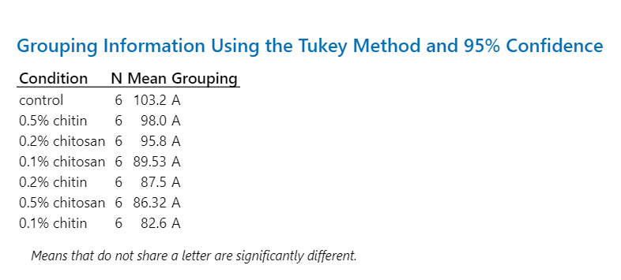
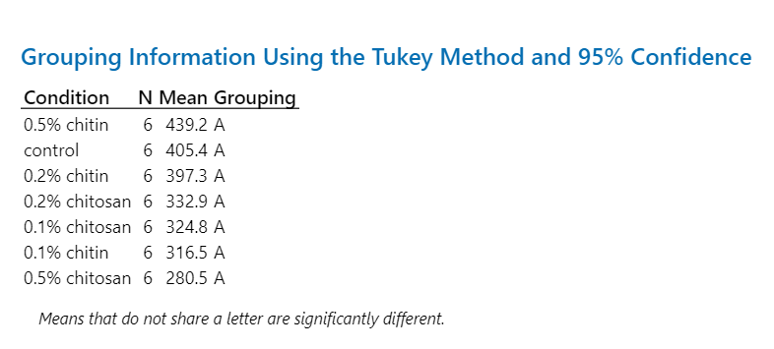
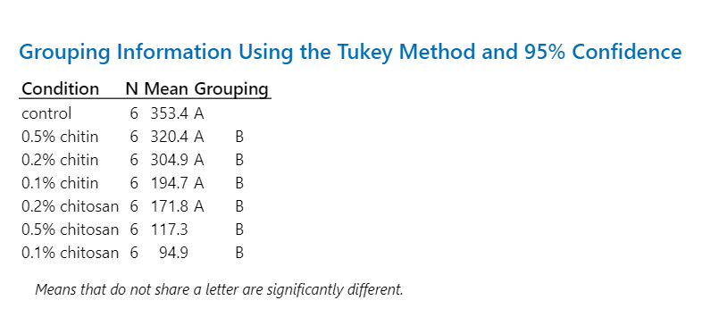
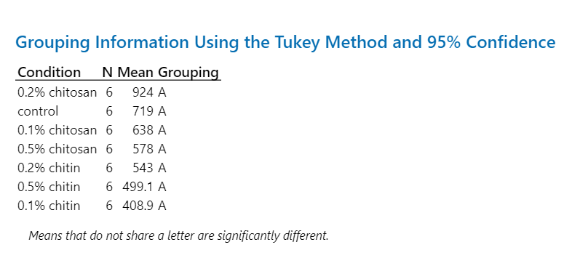

Root Phytohormones
...
 |  |  |  |  | IAA |  |  |  |  |  |  |  | CA |  |  |  |  |  |  |  | Me-IAA |  |  |  |  |  |  |  | SA |  |  |  |  |  |  |  | ABA |  |  |  |  |  |  |  | JA |  |  |  |  |  |  |  | JA-Ile |  |  |  |  |  |  |  | OPDA
0.00 | 0.00 | 0.00 | 0.00 |  | 28.83 | 25.57 | 30.54 | 30.63 | 22.89 | 25.38 | 55.03 |  | 25.19 | 25.24 | 51.05 | 73.73 | 28.97 | 38.30 | 105.00 |  | 122.35 | 58.12 | 9.62 | 7.29 | 48.23 | 16.47 | 231.10 |  | 34.31 | 61.91 | 52.27 | 23.11 | 40.04 | 124.46 | 41.86 |  | 15.64 | 10.79 | 27.28 | 18.52 | 11.98 | 43.59 | 18.41 |  | 2.89 | 3.43 | 4.02 | 21.92 | 5.10 | 7.91 | 3.49 |  | 2.17 | 1.90 | 4.02 | 9.00 | 4.99 | 3.42 | 3.22 |  | 6457.02 | 3898.79 | 31459.18 | 6034.81 | 13579.39 | 17111.52 | 10334.74
0.00 | 0.00 | 0.00 | 0.00 |  | 49.20 | 35.11 | 40.78 | 35.11 | 28.89 | 20.97 | 40.23 |  | 64.31 | 35.96 | 73.38 | 75.17 | 30.00 | 30.31 | 69.22 |  | 38.33 | 20.36 | 20.81 | 9.88 | 1.16 | 0.82 | 4.30 |  | 32.55 | 50.23 | 84.53 | 142.00 | 26.46 | 35.16 | 96.44 |  | 13.54 | 31.84 | 16.68 | 25.59 | 22.77 | 30.94 | 24.16 |  | 4.67 | 18.85 | 5.33 | 5.03 | 11.28 | 3.68 | 3.60 |  | 3.72 | 7.69 | 3.55 | 7.88 | 14.88 | 3.12 | 4.74 |  | 5290.57 | 6296.20 | 2550.22 | 8415.12 | 4475.29 | 8960.04 | 5240.62
0.00 | 0.00 | 0.00 | 0.00 | Average | 32.47 | 28.44 | 37.23 | 37.52 | 27.97 | 31.84 | 38.95 | Average | 36.29 | 40.89 | 49.25 | 49.68 | 30.17 | 44.03 | 77.05 | Average | 50.70 | 34.12 | 38.17 | 60.72 | 34.14 | 15.70 | 56.52 | Average | 39.19 | 65.40 | 65.61 | 64.36 | 49.16 | 80.97 | 99.17 | Average | 14.18 | 24.35 | 22.27 | 29.89 | 24.65 | 35.72 | 36.83 | Average | 6.49 | 8.38 | 6.29 | 10.20 | 6.57 | 12.62 | 10.14 | Average | 3.69 | 4.17 | 4.88 | 8.93 | 7.04 | 8.22 | 6.88 | Average | 5518.67 | 6592.09 | 12980.99 | 7273.95 | 7259.31 | 13874.63 | 14130.00
0.00 | 0.00 | 0.00 | 0.00 | SD | 10.47 | 3.82 | 8.17 | 6.20 | 5.76 | 7.62 | 8.18 | SD | 13.51 | 10.16 | 15.67 | 17.58 | 6.31 | 10.78 | 37.88 | SD | 45.71 | 27.80 | 55.68 | 97.83 | 51.45 | 10.78 | 80.69 | SD | 13.64 | 42.54 | 23.34 | 39.71 | 20.75 | 43.88 | 66.35 | SD | 5.55 | 11.99 | 7.99 | 10.81 | 13.48 | 11.21 | 14.32 | SD | 5.18 | 5.05 | 2.35 | 6.36 | 2.81 | 7.42 | 10.36 | SD | 1.47 | 2.14 | 1.85 | 6.97 | 4.22 | 4.60 | 4.00 | SD | 1847.55 | 3807.73 | 10014.59 | 3028.43 | 4166.59 | 6230.63 | 8203.17
- | - | - | - | %CV | 32.26 | 13.43 | 21.94 | 16.52 | 20.59 | 23.93 | 20.99 | %CV | 37.25 | 24.84 | 31.81 | 35.40 | 20.92 | 24.48 | 49.17 | %CV | 90.16 | 81.46 | 145.86 | 161.13 | 150.72 | 68.70 | 142.77 | %CV | 34.79 | 65.04 | 35.57 | 61.70 | 42.20 | 54.19 | 66.90 | %CV | 39.18 | 49.25 | 35.85 | 36.16 | 54.66 | 31.37 | 38.89 | %CV | 79.82 | 60.23 | 37.42 | 62.30 | 42.71 | 58.75 | 102.17 | %CV | 39.91 | 51.44 | 38.03 | 78.04 | 59.92 | 56.03 | 58.14 | %CV | 33.48 | 57.76 | 77.15 | 41.63 | 57.40 | 44.91 | 58.06
0.00 | 0.00 | 0.00 | 0.00 | SEM | 4.28 | 1.56 | 3.33 | 2.53 | 2.35 | 3.11 | 3.34 | SEM | 5.52 | 4.15 | 6.40 | 7.18 | 2.58 | 4.40 | 15.47 | SEM | 18.66 | 11.35 | 22.73 | 39.94 | 21.01 | 4.40 | 32.94 | SEM | 5.57 | 17.37 | 9.53 | 16.21 | 8.47 | 17.92 | 27.09 | SEM | 2.27 | 4.90 | 3.26 | 4.41 | 5.50 | 4.58 | 5.85 | SEM | 2.11 | 2.06 | 0.96 | 2.60 | 1.15 | 3.03 | 4.23 | SEM | 0.60 | 0.87 | 0.76 | 2.85 | 1.72 | 1.88 | 1.63 | SEM | 754.26 | 1554.50 | 4088.44 | 1236.35 | 1701.00 | 2543.64 | 3348.93
...
 |  |  |  |  | IAA |  |  |  |  |  |  |  | CA |  |  |  |  |  |  |  | Me-IAA |  |  |  |  |  |  |  | SA |  |  |  |  |  |  |  | ABA |  |  |  |  |  |  |  | JA |  |  |  |  |  |  |  | JA-Ile |  |  |  |  |  |  |  | OPDA
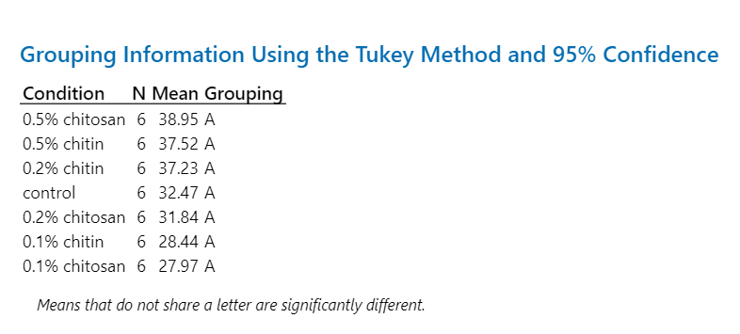
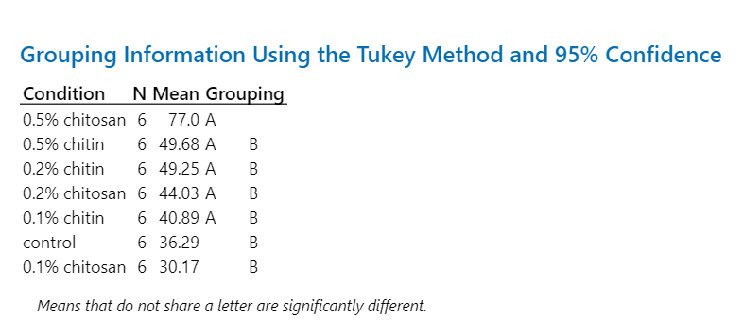
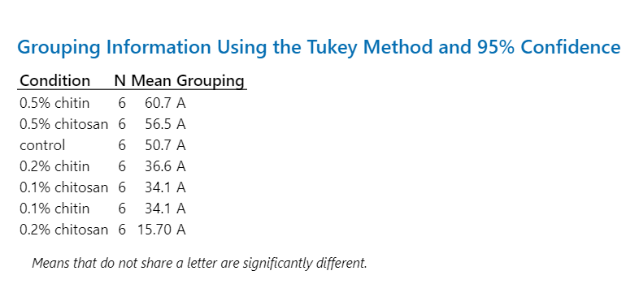
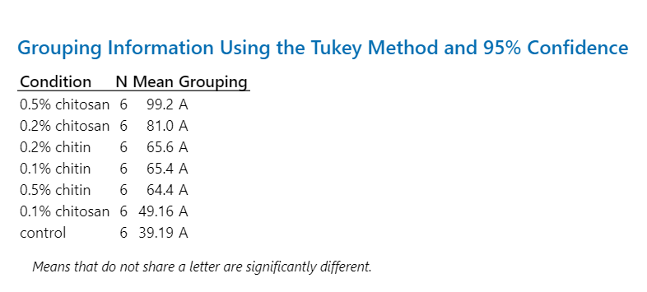
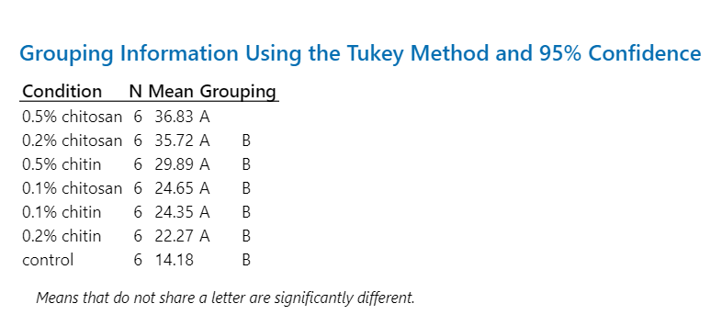
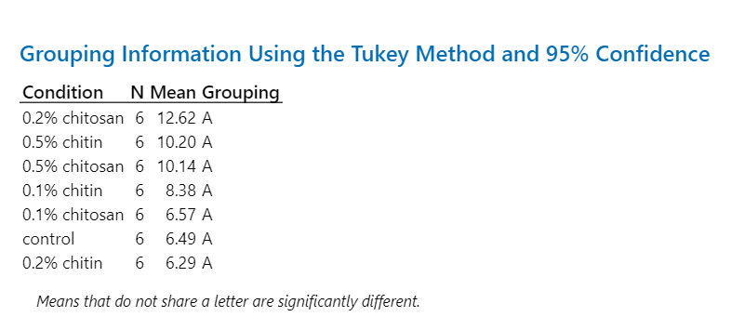
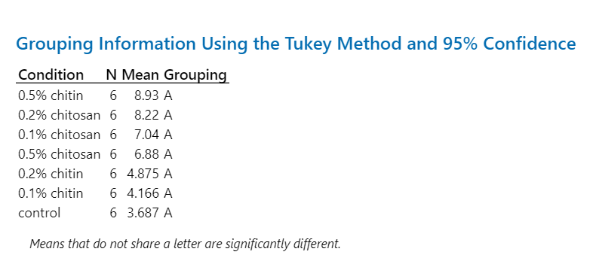
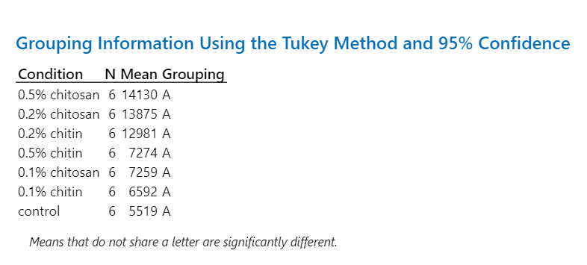

Peroxidase activity
...
 |  |  |  |  | Statistical analysis
211.97 | 237.36 | 224.48 | 394.10 | 262.27
242.80 | 441.23 | 196.33 | 479.95 | 534.60
223.37 | 253.91 | 177.92 | 268.66 | 239.49
48.12 | 98.43 | 37.61 | 144.89 | 152.64
21.54 | 38.77 | 21.14 | 53.93 | 63.73
19.65 | 40.19 | 15.35 | 59.15 | 62.31
...
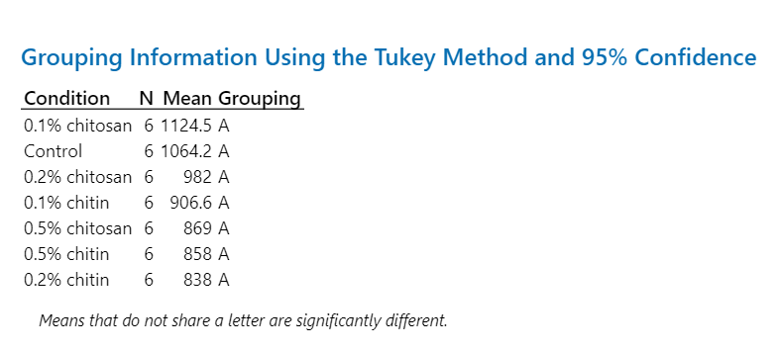
0.2% chitin | 0.5% chitin | 0.1% chitosan | 0.2% chitosan | 0.5% chitosan | Root
615.94 | 1083.61 | 1182.92 | 1140.00 | 780.78
1317.85 | 821.01 | 1035.78 | 344.05 | 605.17
1055.60 | 920.42 | 1222.22 | 1498.24 | 1212.43
711.48 | 1186.51 | 1004.02 | 901.48 | 721.50
458.82 | 911.65 | 1195.73 | 903.57 | 711.17
867.39 | 225.79 | 1106.62 | 1106.65 | 1185.90
837.85 | 858.17 | 1124.55 | 982.33 | 869.49
312.27 | 336.65 | 90.27 | 381.21 | 261.70
37.27 | 39.23 | 8.03 | 38.81 | 30.10
127.48 | 137.44 | 36.85 | 155.63 | 106.84
...
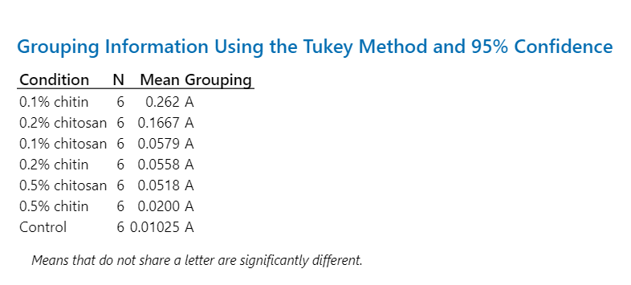
0.2% chitin | 0.5% chitin | 0.1% chitosan | 0.2% chitosan | 0.5% chitosan | Pre-exudate
0.00 | 0.01 | 0.12 | 0.02 | 0.01
0.14 | 0.00 | 0.05 | 0.06 | 0.02
0.07 | 0.01 | 0.02 | 0.03 | 0.13
0.09 | 0.01 | 0.03 | 0.01 | 0.10
0.02 | 0.01 | 0.01 | 0.39 | 0.01
0.01 | 0.08 | 0.12 | 0.49 | 0.04
0.06 | 0.02 | 0.06 | 0.17 | 0.05
0.05 | 0.03 | 0.05 | 0.21 | 0.05
95.41 | 142.33 | 90.74 | 127.89 | 100.29
0.02 | 0.01 | 0.02 | 0.09 | 0.02
...
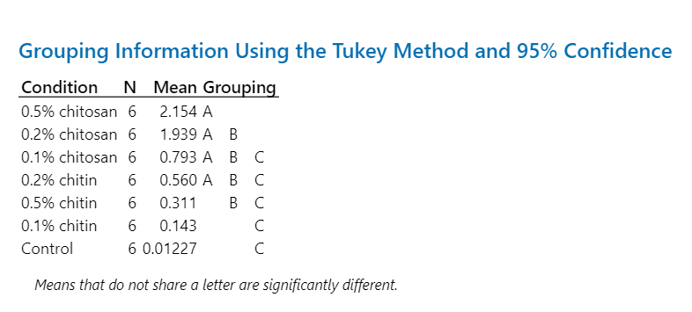
0.2% chitin | 0.5% chitin | 0.1% chitosan | 0.2% chitosan | 0.5% chitosan | Post-exudate
0.22 | 0.02 | 3.63 | 0.29 | 1.60
2.25 | 0.04 | 0.14 | 4.13 | 2.66
0.02 | 0.01 | 0.29 | 3.04 | 3.22
0.50 | 0.83 | 0.44 | 0.61 | 1.62
0.35 | 0.68 | 0.24 | 2.41 | 3.33
0.01 | 0.29 | 0.02 | 1.15 | 0.50
0.56 | 0.31 | 0.79 | 1.94 | 2.15
0.85 | 0.36 | 1.40 | 1.51 | 1.10
151.66 | 117.36 | 176.03 | 77.76 | 51.20
0.35 | 0.15 | 0.57 | 0.62 | 0.45

Chitinase activity
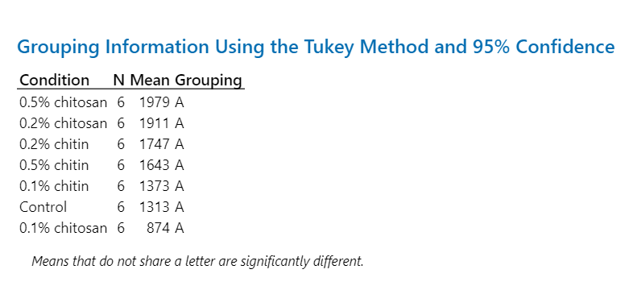
 |  |  |  |  | Statistical analysis
0.2% chitin | 0.5% chitin | 0.1% chitosan | 0.2% chitosan | 0.5% chitosan | Shoot
1179.10 | 282.14 | 618.58 | 960.63 | 1892.82
1670.52 | 2990.79 | 325.20 | 1799.52 | 2238.53
1840.55 | 1858.35 | 1793.76 | 668.66 | 1436.39
1607.84 | 1681.77 | 349.19 | 2850.45 | 1332.98
2171.84 | 1534.47 | 1335.65 | 1315.60 | 2121.21
2012.74 | 1510.71 | 822.98 | 3869.34 | 2849.45
1747.10 | 1643.04 | 874.23 | 1910.70 | 1978.56
348.59 | 865.52 | 583.70 | 1227.29 | 559.37
19.95 | 52.68 | 66.77 | 64.23 | 28.27
142.31 | 353.35 | 238.29 | 501.04 | 228.36
...
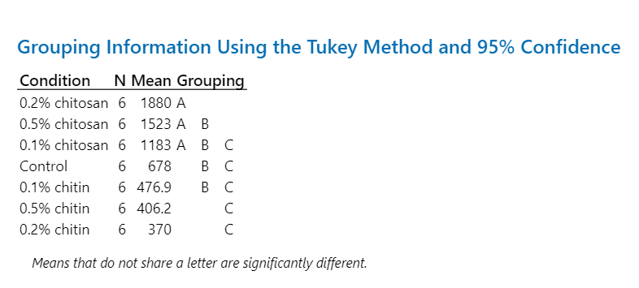
0.2% chitin | 0.5% chitin | 0.1% chitosan | 0.2% chitosan | 0.5% chitosan | Root
255.37 | 436.64 | 900.04 | 1662.72 | 1199.60
843.20 | 473.48 | 626.82 | 1913.74 | 715.79
155.10 | 224.86 | 2663.12 | 2966.23 | 634.71
154.50 | 251.89 | 1092.37 | 1774.78 | 2748.32
522.81 | 469.33 | 1516.69 | 1255.05 | 2989.29
289.11 | 580.90 | 299.19 | 1709.23 | 851.38
370.02 | 406.18 | 1183.04 | 1880.29 | 1523.18
268.17 | 139.04 | 834.37 | 576.03 | 1062.80
72.47 | 34.23 | 70.53 | 30.64 | 69.78
109.48 | 56.76 | 340.63 | 235.16 | 433.89
...
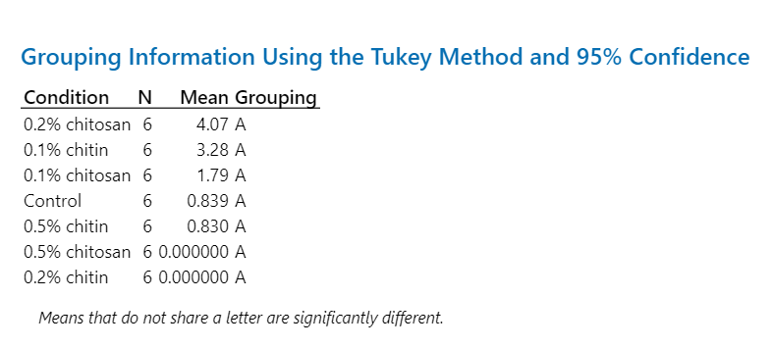
0.2% chitin | 0.5% chitin | 0.1% chitosan | 0.2% chitosan | 0.5% chitosan | Pre-exudate
0.00 | 0.00 | 0.64 | 1.71 | 0.00
0.00 | 0.00 | 0.99 | 0.00 | 0.00
0.00 | 0.00 | 0.00 | 0.00 | 0.00
0.00 | 0.00 | 0.00 | 0.00 | 0.00
0.00 | 0.00 | 0.00 | 0.00 | 0.00
0.00 | 4.98 | 9.11 | 22.72 | 0.00
0.00 | 0.83 | 1.79 | 4.07 | 0.00
0.00 | 2.03 | 3.61 | 9.16 | 0.00
- | 244.95 | 201.67 | 225.00 | -
0.00 | 0.83 | 1.47 | 3.74 | 0.00
...
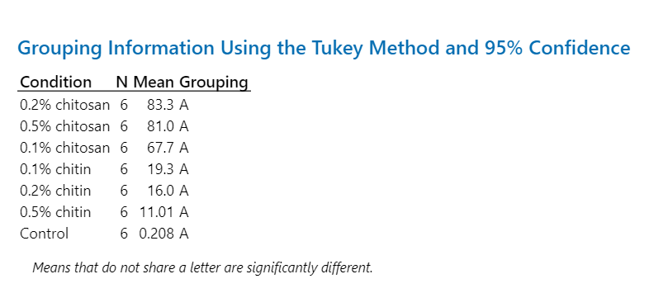
0.2% chitin | 0.5% chitin | 0.1% chitosan | 0.2% chitosan | 0.5% chitosan | Post-exudate
0.94 | 0.00 | 227.43 | 20.03 | 81.54
0.00 | 0.00 | 8.39 | 187.30 | 39.45
68.52 | 14.16 | 122.91 | 83.26 | 23.43
16.45 | 0.00 | 17.37 | 129.31 | 121.22
9.70 | 51.92 | 28.45 | 63.63 | 182.41
0.58 | 0.00 | 1.76 | 16.04 | 38.08
16.03 | 11.01 | 67.72 | 83.26 | 81.02
26.53 | 20.83 | 90.00 | 66.10 | 61.30
165.48 | 189.09 | 132.91 | 79.39 | 75.65
10.83 | 8.50 | 36.74 | 26.99 | 25.02

qPCR
 |  |  |  |  | Statistical analysis
 |  |  |  |  | 1) PR protein 1
0.2% chitin | 0.5% chitin | 0.1% chitosan | 0.2% chitosan | 0.5% chitosan
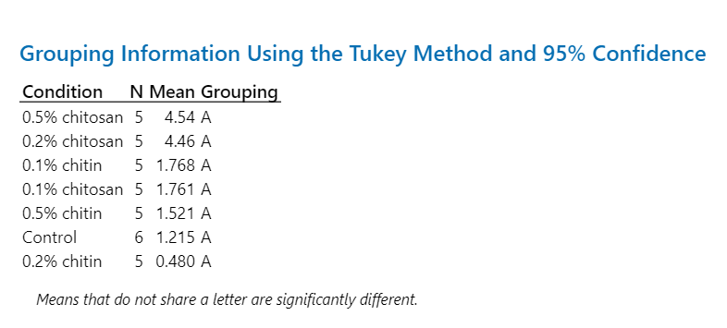
0.0840 | 0.6186 | 0.2875 | 2.6495 | 3.5954
1.3465 | 0.5386 | 1.9799 | 10.2700 | 1.2952
0.4068 | 1.0434 | 2.0203 | 3.3910 | 14.3945
0.1609 | 3.7012 | 0.2315 | 2.7086 | 1.3961
0.4039 | 1.7038 | 4.2874 | 3.2799 | 2.0224
...
0.48 | 1.52 | 1.76 | 4.46 | 4.54
0.51 | 1.30 | 1.66 | 3.26 | 5.58
105.14 | 85.68 | 94.19 | 73.21 | 122.99
0.23 | 0.58 | 0.74 | 1.46 | 2.50

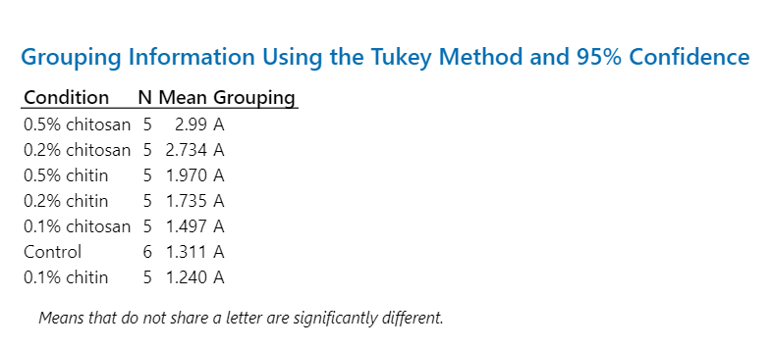
 |  |  |  |  | 2) endochitinase 2
0.2% chitin | 0.5% chitin | 0.1% chitosan | 0.2% chitosan | 0.5% chitosan
0.3993 | 1.4682 | 0.2096 | 2.6477 | 2.8520
3.2352 | 1.2388 | 0.9556 | 2.4518 | 0.5009
0.5374 | 1.7182 | 2.8803 | 2.2196 | 9.5620
0.2390 | 2.2914 | 0.7294 | 2.1708 | 1.3145
4.2617 | 3.1332 | 2.7101 | 4.1789 | 0.7020
...
1.73 | 1.97 | 1.50 | 2.73 | 2.99
1.88 | 0.76 | 1.22 | 0.83 | 3.79
108.21 | 38.54 | 81.30 | 30.37 | 126.90
0.84 | 0.34 | 0.54 | 0.37 | 1.69

 |  |  |  |  | 3) PR protein R major form-like
0.2% chitin | 0.5% chitin | 0.1% chitosan | 0.2% chitosan | 0.5% chitosan
0.4481 | 0.9662 | 0.2584 | 5.7104 | 3.3193
2.6153 | 2.6446 | 1.9001 | 1.6389 | 0.5976
0.7212 | 3.4933 | 1.9262 | 1.7249 | 8.7389
0.9314 | 2.6273 | 0.5005 | 1.7973 | 1.2014
8.5901 | 2.3766 | 1.8565 | 3.1338 | 1.2021
...
2.66 | 2.42 | 1.29 | 2.80 | 3.01
3.42 | 0.92 | 0.83 | 1.74 | 3.36
128.54 | 37.85 | 64.77 | 62.07 | 111.70
1.53 | 0.41 | 0.37 | 0.78 | 1.50

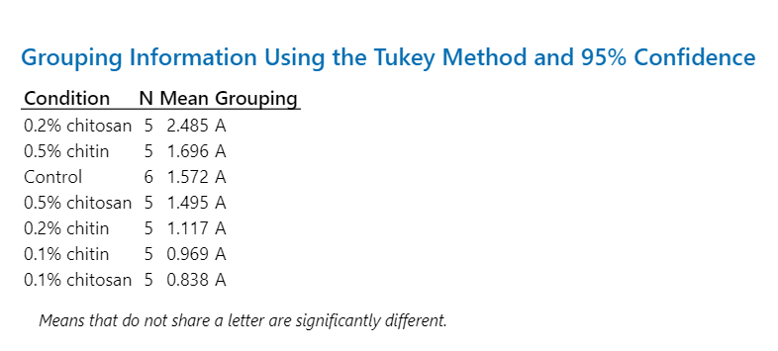
 |  |  |  |  | 15) thaumatin-like protein 1
0.2% chitin | 0.5% chitin | 0.1% chitosan | 0.2% chitosan | 0.5% chitosan
0.2347 | 0.8724 | 0.0421 | 1.7141 | 1.2829
1.6785 | 0.5932 | 0.5022 | 2.3115 | 0.3858
0.5561 | 1.4530 | 0.9649 | 2.4473 | 4.3217
0.1855 | 1.2540 | 0.7620 | 2.2317 | 0.8694
2.9286 | 4.3057 | 1.9186 | 3.7191 | 0.6174
...
1.12 | 1.70 | 0.84 | 2.48 | 1.50
1.18 | 1.50 | 0.70 | 0.74 | 1.61
105.56 | 88.26 | 83.02 | 29.94 | 107.97
0.53 | 0.67 | 0.31 | 0.33 | 0.72

