ig.4e
Fig. 4e
IB: ABL1
170 kD

130 kD

IB: DEK

55 kD
43 kD

IB: SPOP

55 kD
43 kD

IB: Vinculin
130 kD
95 kD

Fig.4d
Fig. 4d
IB: ABL1

170 kD
130 kD

IB: DEK

55 kD
43 kD

IB: p27

34 kD
25 kD
IB: Tubulin
72 kD

55 kD

Fig.4f
Fig. 4f
IB: ABL1
170 kD
130 kD

IB: DEK
55 kD
43 kD
IB: SRC

72 kD
55 kD

IB: Tubulin
72 kD

55 kD

Fig.4g
Ni-NTA
Pulldown, IB: HA
Fig. 4g

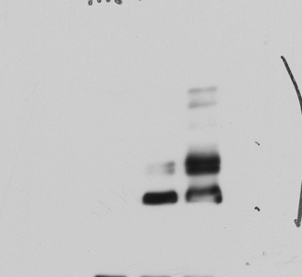

170 kD
130 kD

WCL, IB: HA

170 kD

130 kD
WCL, IB: Flag

55 kD
43 kD

Fig.4h
IB: HA
170 kD
130 kD
Fig. 4h
34 kD
27 kD
55 kD
43 kD
72 kD
55 kD

IB: Flag

IB: GFP

IB: Tubulin

Fig.4i
Fig. 4i
IB: HA

170 kD
130 kD
IB: Flag

55 kD
43 kD

IB: GFP
34 kD
27 kD

IB: Vinculin

130 kD
95 kD

Fig.4j
Fig. 4j
IB: HA

170 kD
130 kD
IB: Flag

55 kD
43 kD

IB: GFP

34 kD
27 kD

IB: Vinculin
130 kD

95 kD

Fig.4k
IB: GST
Fig. 4k

170 kD
IB: Flag

55 kD
43 kD

IB: GFP

34 kD
27 kD

IB: Vinculin
130 kD

95 kD

Fig.4l
IB: GST
Fig. 4l

170 kD
IB: Flag

55 kD
43 kD

IB: GFP

34 kD
27 kD

IB: Vinculin
130 kD
95 kD

Fig. 5d
Fig. 5d
IB: CCDC6

72 kD
55 kD

IB: cyclin E

55 kD

43 kD
IB: Fbw7
130 kD
95 kD

IB: Vinculin

130 kD
95 kD

Fig. 5e
IB: CCDC6
IB: Vinculin
IB: Fbw7
Fig. 5e
72 kD
55 kD
130 kD
95 kD
130 kD
95 kD

Fig. 5f
Fig. 5f
IP: HA, IB: GFP
130 kD
95 kD

IP: HA, IB: HA

130 kD
95 kD

WCL, IB: GFP

130 kD
95 kD

WCL, IB: HA
130 kD
95 kD

Fig. 5g
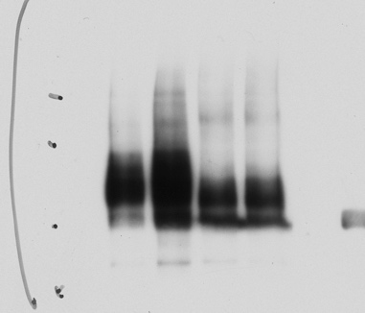
Ni-NTA
pulldown, IB: GFP
WCL, IB: GFP
WCL, IB: HA
Fig. 5g
130 kD
95 kD
130 kD
95 kD
130 kD
95 kD
170 kD

Fig. 5h
IB: CCDC6
IB: Vinculin
Fig. 5h
72 kD
55 kD
130 kD
95 kD

Fig.6d
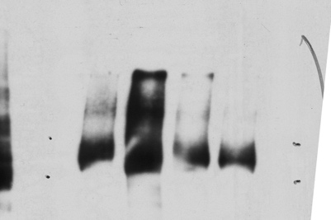
Ni-NTA
pulldown, IB: HA
WCL, IB: Vinculin
WCL, IB: HA
Fig. 6d
170 kD
130 kD
130 kD
95 kD
130 kD
95 kD

Fig.6f
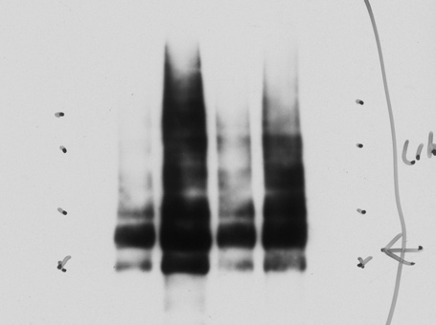
Ni-NTA
pulldown, IB: HA
WCL, IB: Vinculin
WCL, IB: HA
Fig. 6f
170 kD
130 kD
130 kD
95 kD
95 kD
72 kD
95 kD
72 kD

Fig.6g
Fig. 6g. Protein half-life of RAF1-WT or mutants in cycloheximide (CHX) assay.
time (h) | WT | P646A647* | A647A648*
0 | 0 | 0 | 0
1 | -0.20013043818 | 0.11127040061 | -0.15780675234
2 | -0.27632573631 | 0.11776933223 | 0.041277153254
4 | -0.61776529475 | 0.18425057013 | 0.020945920871
8 | -1.1338221777 | -0.26558146274 | -0.61493591668
16 | -1.6750622264 | -0.13425852256 | -1.010643608

IB: HA
IB: Vinculin
55 kD
72 kD
95 kD
130 kD
IB: HA
IB: Vinculin
55 kD
72 kD
95 kD
130 kD
IB: HA
IB: Vinculin
55 kD
72 kD
95 kD
130 kD
Fig. 6g

Fig.6i
IB: Vinculin
IB: p-ERK
IB: HA
IB: ERK
55 kD
72 kD
43 kD
55 kD
95 kD
130 kD
Fig. 6i

Fig. S4c
Fig. S4c
IB: ABL1
170 kD

130 kD

IB: DEK
55 kD

43 kD
IB: CUL3

55 kD
43 kD

IB: Vinculin

130 kD
95 kD

Fig.S4d
Fig. S4d
IB: ABL1

130 kD

IB: Tubulin

72 kD
55 kD

Fig. S4g
Fig. S4c
IB: ABL1
170 kD

130 kD

IB: DEK
55 kD

43 kD
IB: CUL3

55 kD
43 kD

IB: Vinculin

130 kD
95 kD

Fig.S5d
Fig. S5d
IB: PML
130 kD
95 kD
IB: β-Catenin
95 kD
72 kD
IB: β-TRCP1
72 kD
55 kD
IB: Skp2
43 kD

IB: p27

27 kD

IB: Cdh1

55 kD

IB: tubulin
72 kD
55 kD

Fig.S5e
IB: PML
Fig. S5e

130 kD
95 kD

IB: β-TRCP1

55 kD
72 kD

IB: Vinculin

130 kD
95 kD

Fig.S5f
Fig. S5f
IB: PML
130 kD

95 kD
IB: CK2

55 kD
43 kD

IB: Vinculin

130 kD
95 kD

Fig.S5g
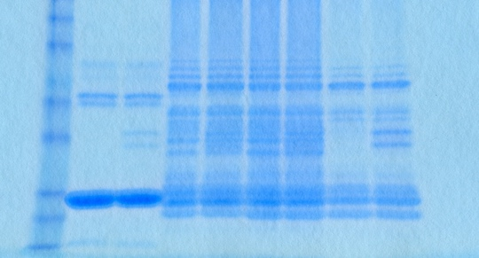
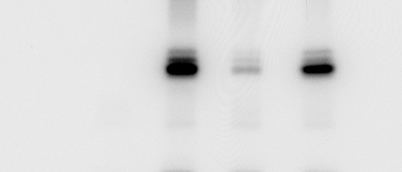
CBB staining
GST-PML-p³²
Fig. S5g

116 kD

45 kD
66 kD

35 kD

116 kD
66 kD
45 kD
35 kD

Fig.S5h
Fig. S5h
IP: Flag, IB: Myc
72 kD
55 kD

IP: Flag, IB: Flag

72 kD

55 kD
WCL, IB: Myc

72 kD
55 kD
WCL, IB: Flag
72 kD

55 kD

